AGT
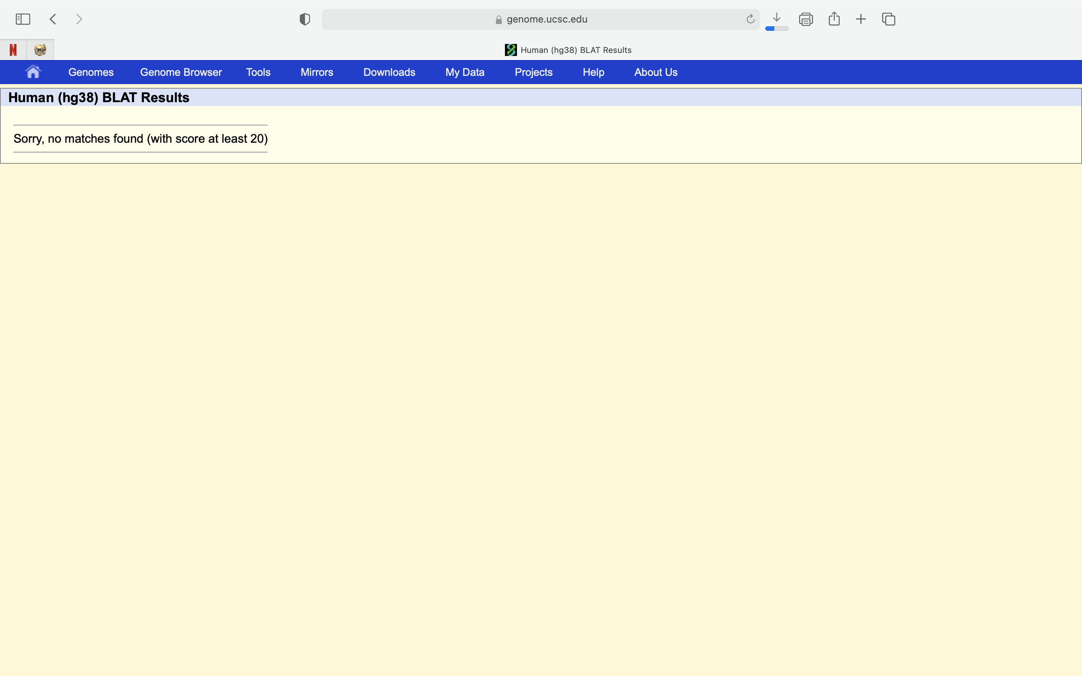
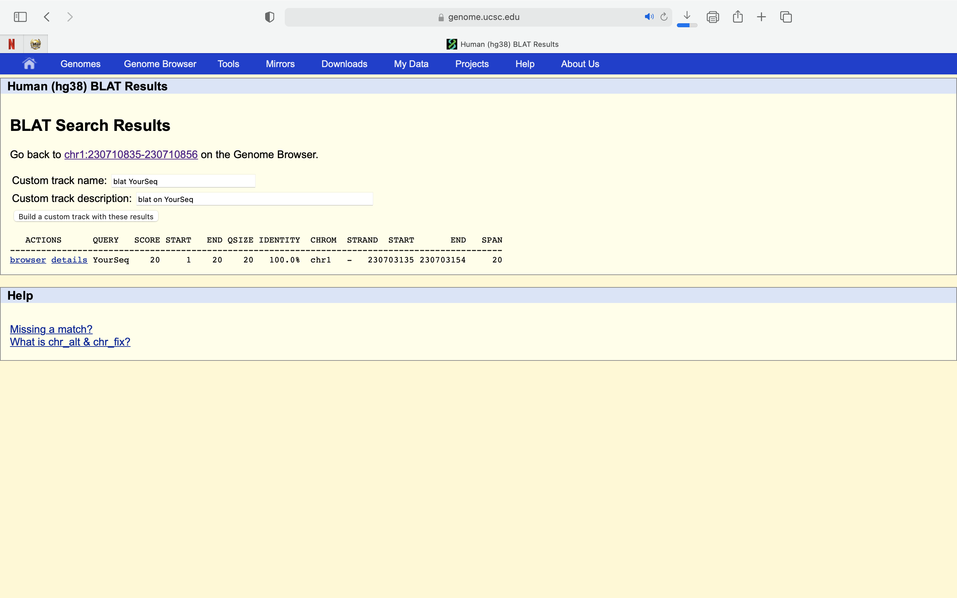

ctgagcacagcatgaggccaGG (AGT_1) |  | tgagcacagcatgaggccagGG (AGT_2) |  | catgctgtgctcagcgggttGG (AGT_3) |  | gcctcatgctgtgctcagcgGG
 | ctgagcacagcatgaggcca |  | tgagcacagcatgaggccaa |  | catgctgtgctcagcgggta |  | gcctcatgctgtgctcagca
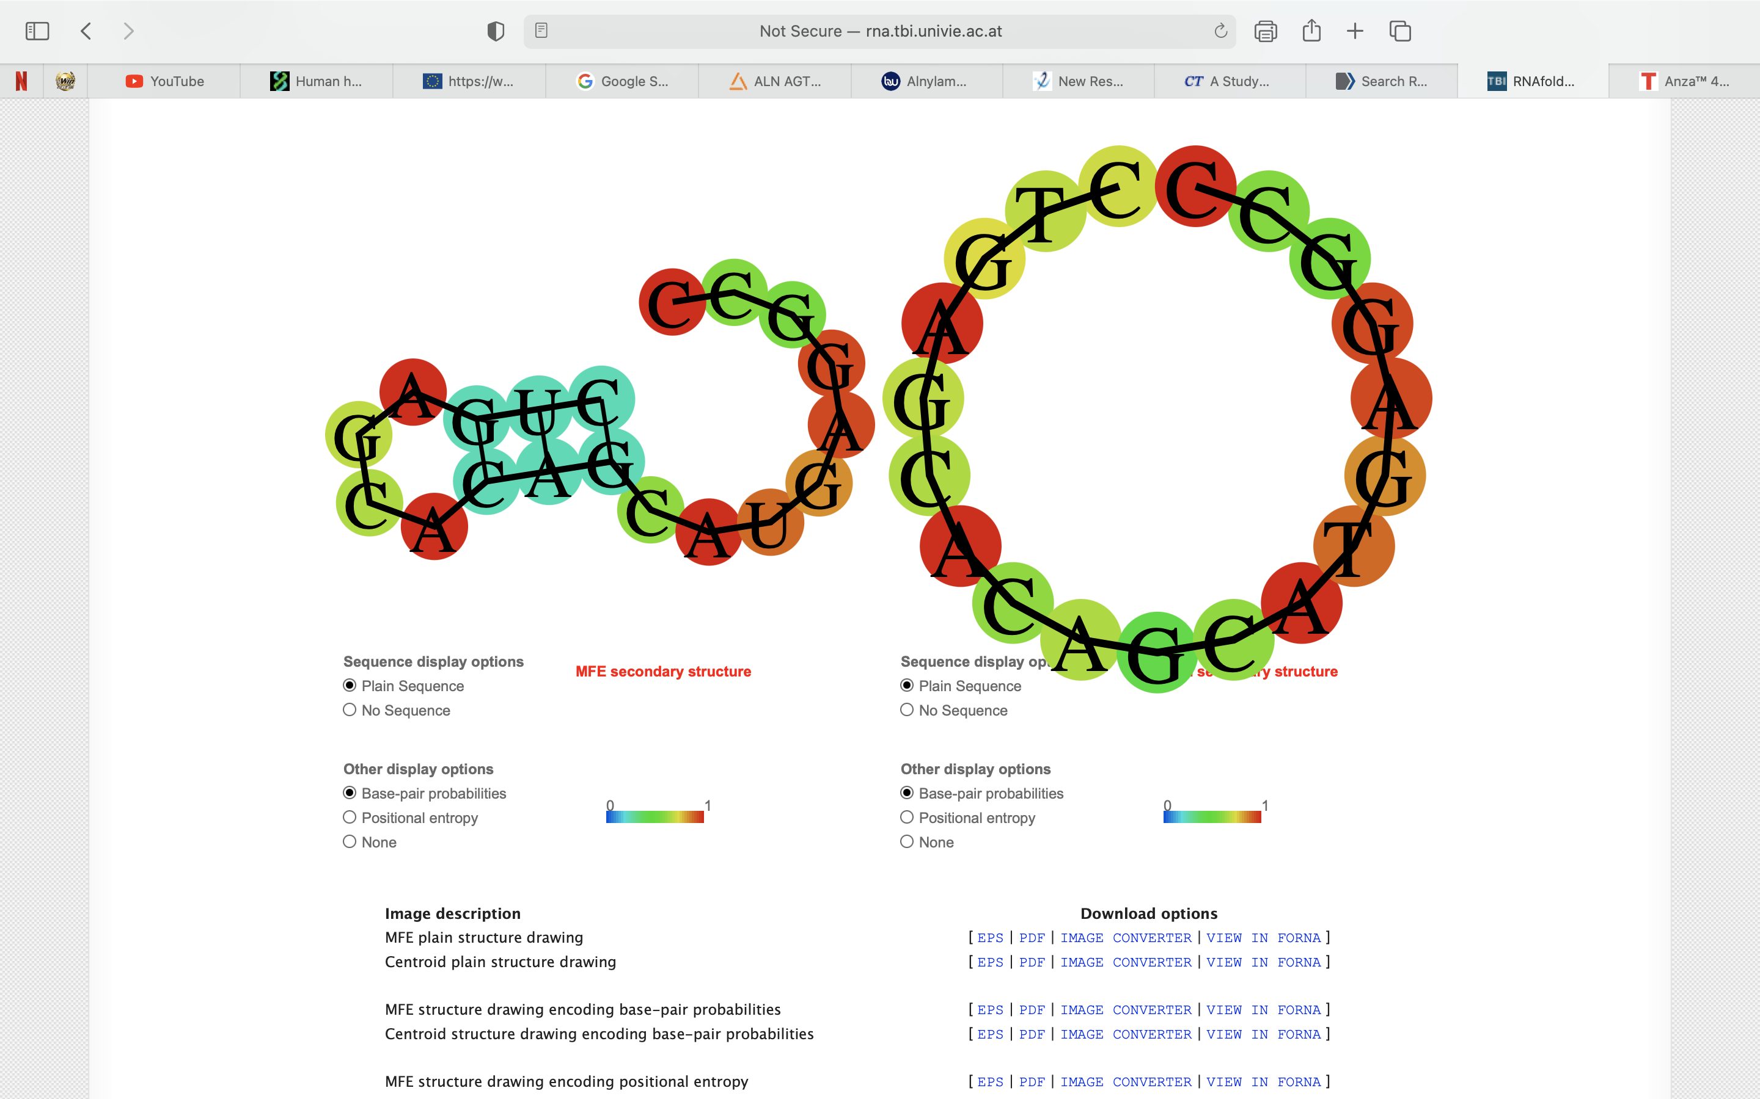
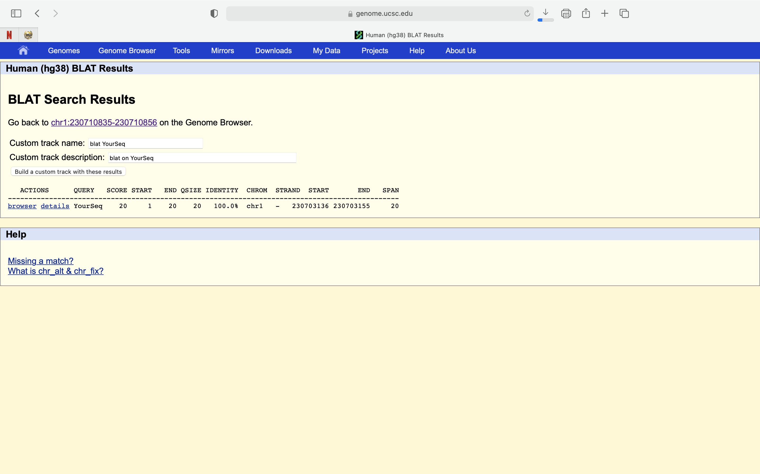
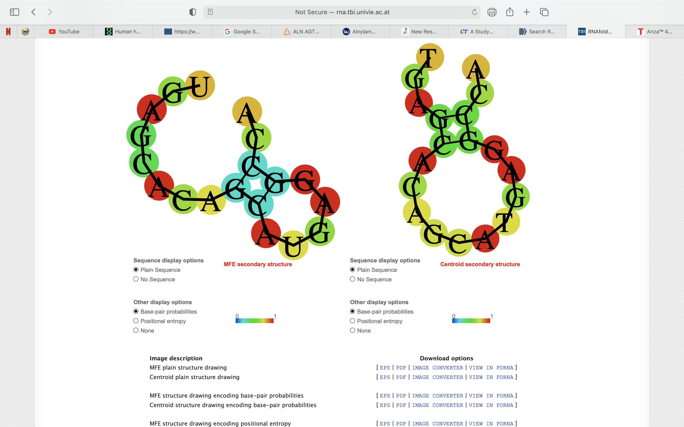

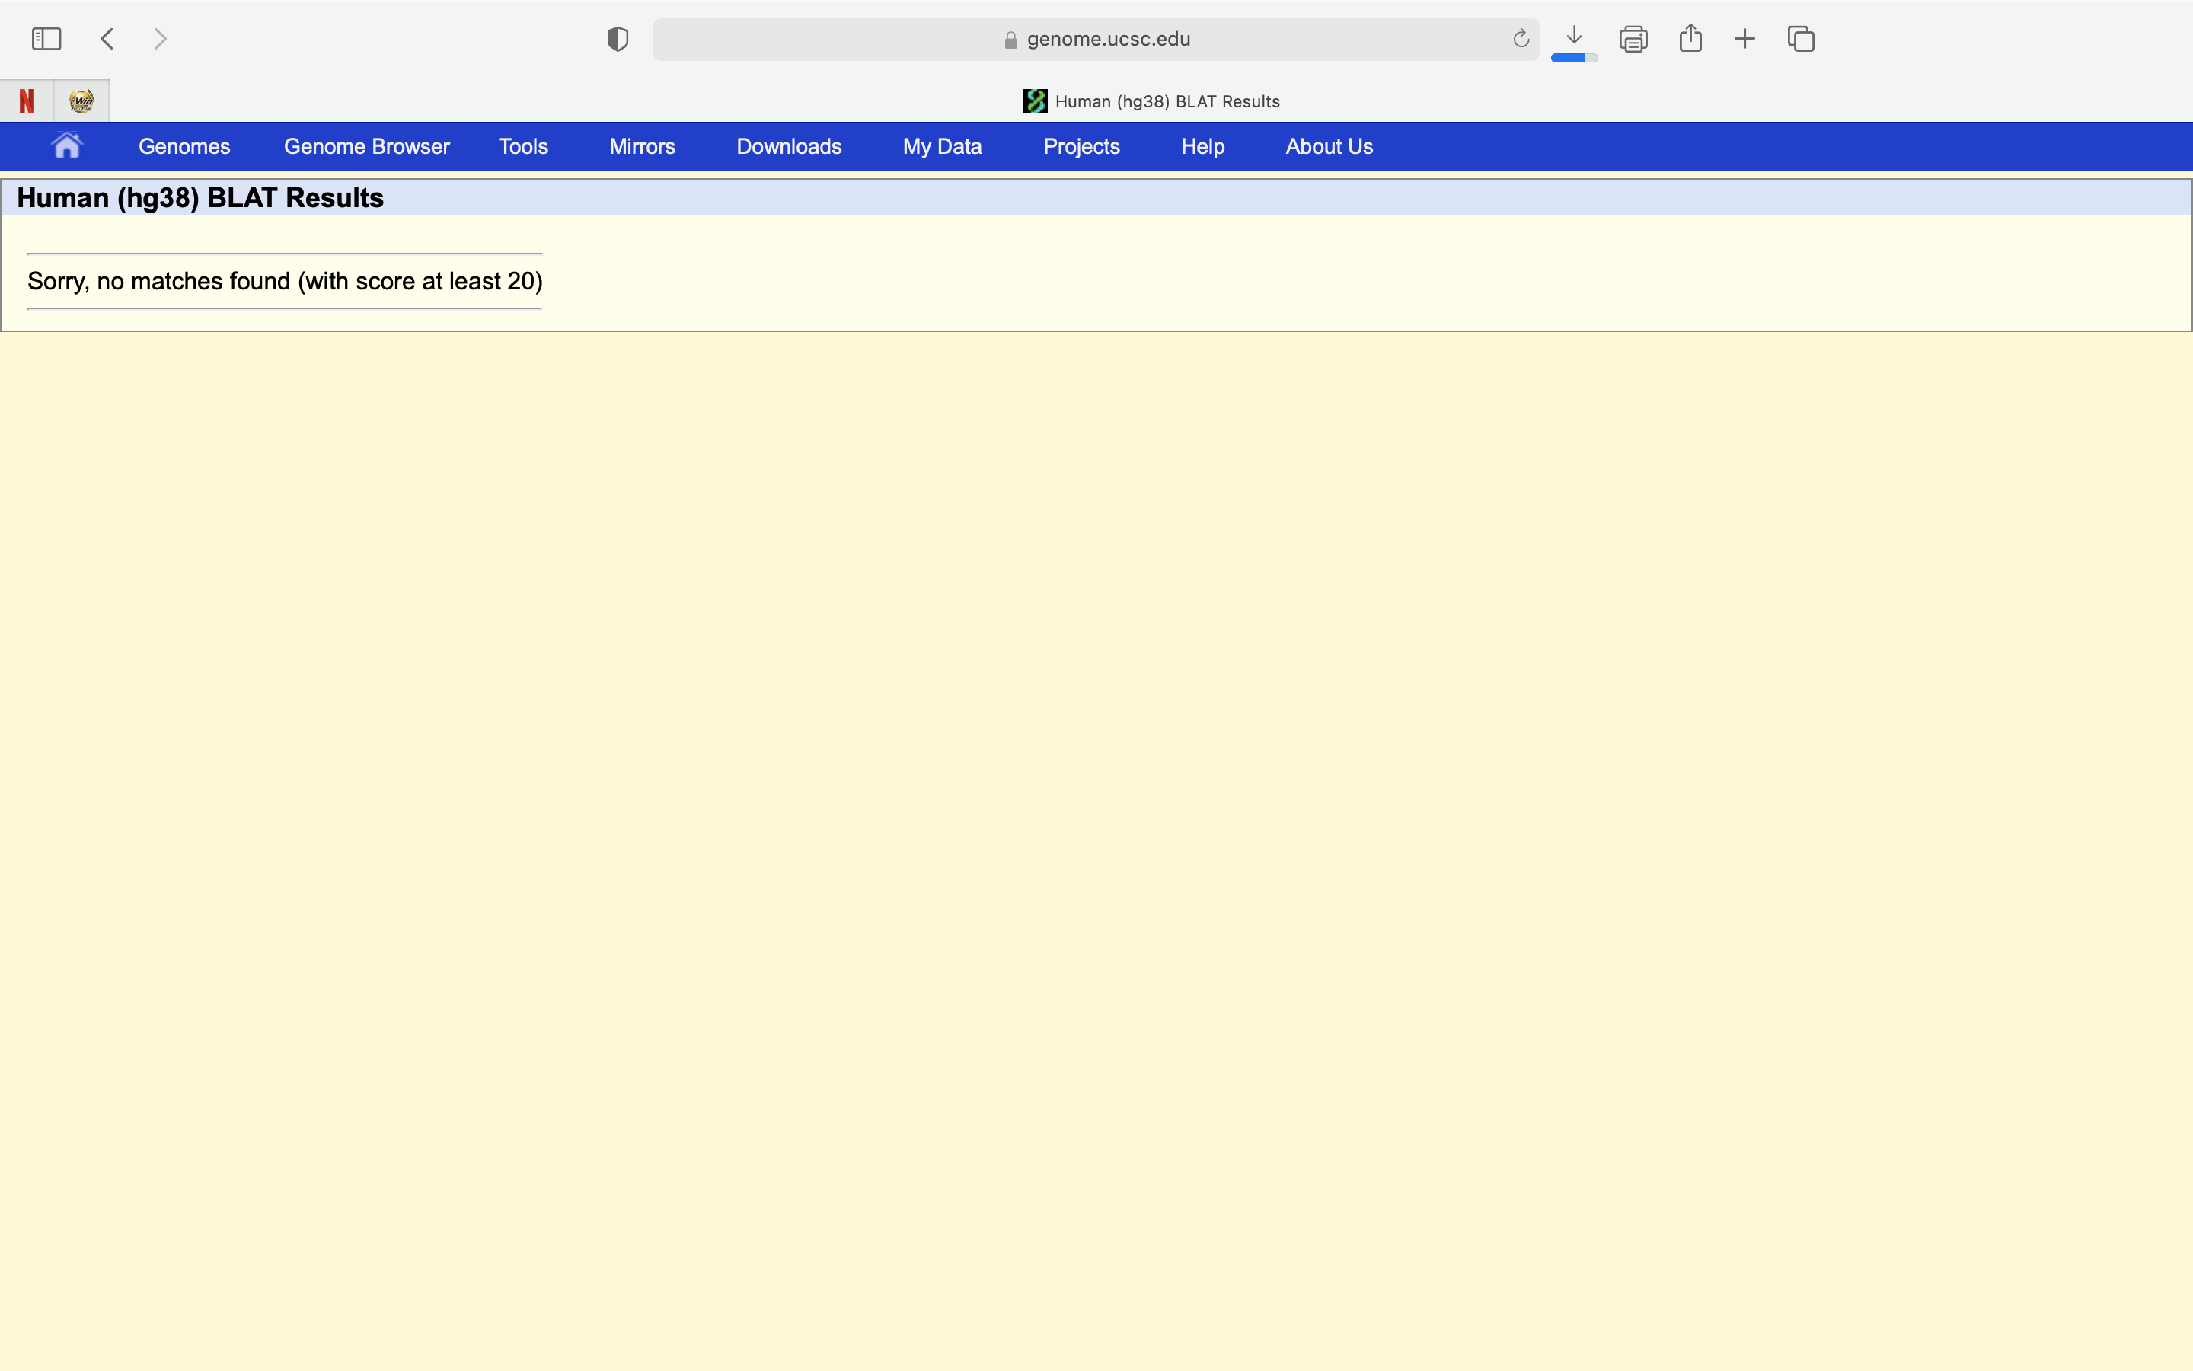
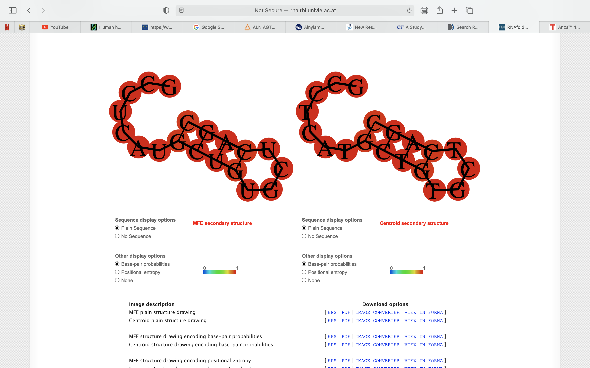
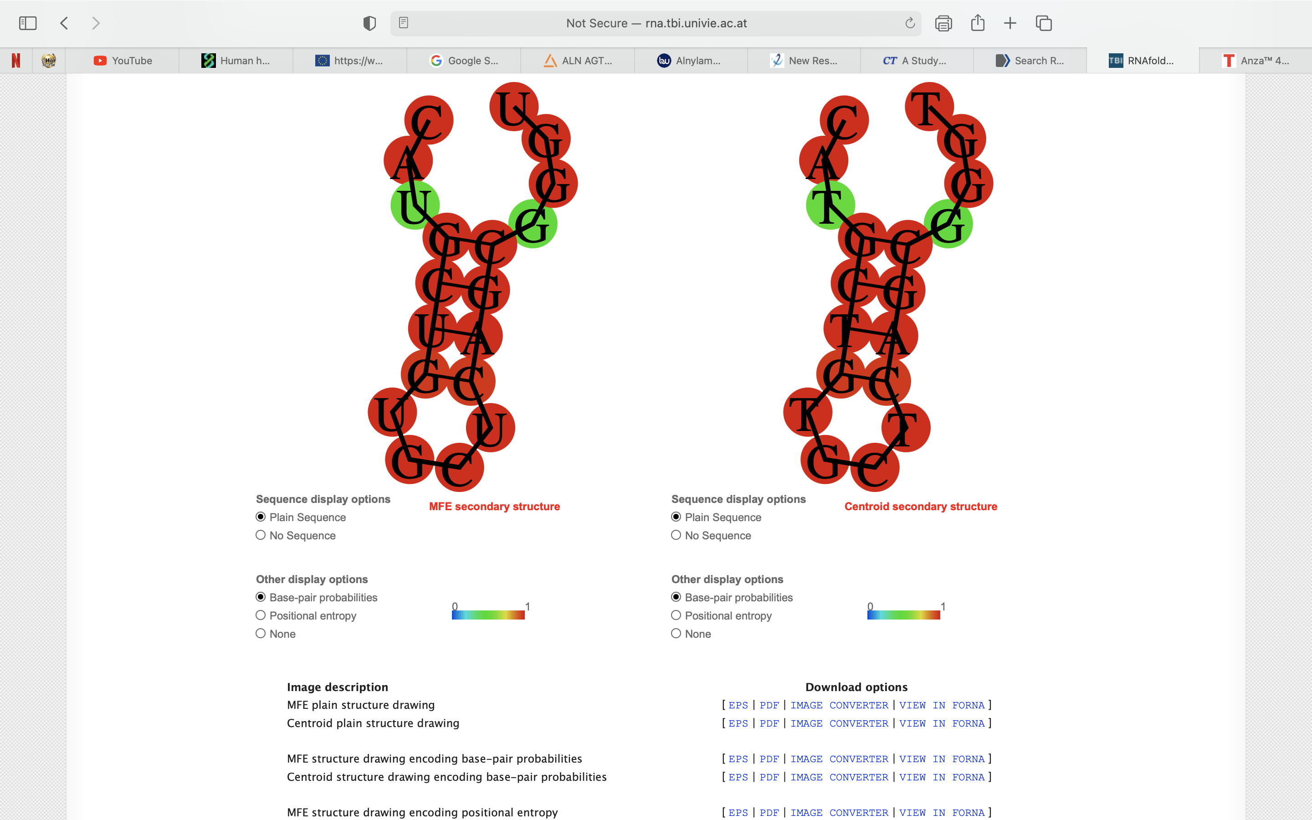

 | ctgagcacagcatgaggcct |  | tgagcacagcatgaggccat |  | catgctgtgctcagcgggtt |  | gcctcatgctgtgctcagct





 | ctgagcacagcatgaggccc |  | tgagcacagcatgaggccac |  | catgctgtgctcagcgggtc |  | gcctcatgctgtgctcagcc



 | ctgagcacagcatgaggccg |  | tgagcacagcatgaggccag |  | catgctgtgctcagcgggtg |  | gcctcatgctgtgctcagcg

ApoA1
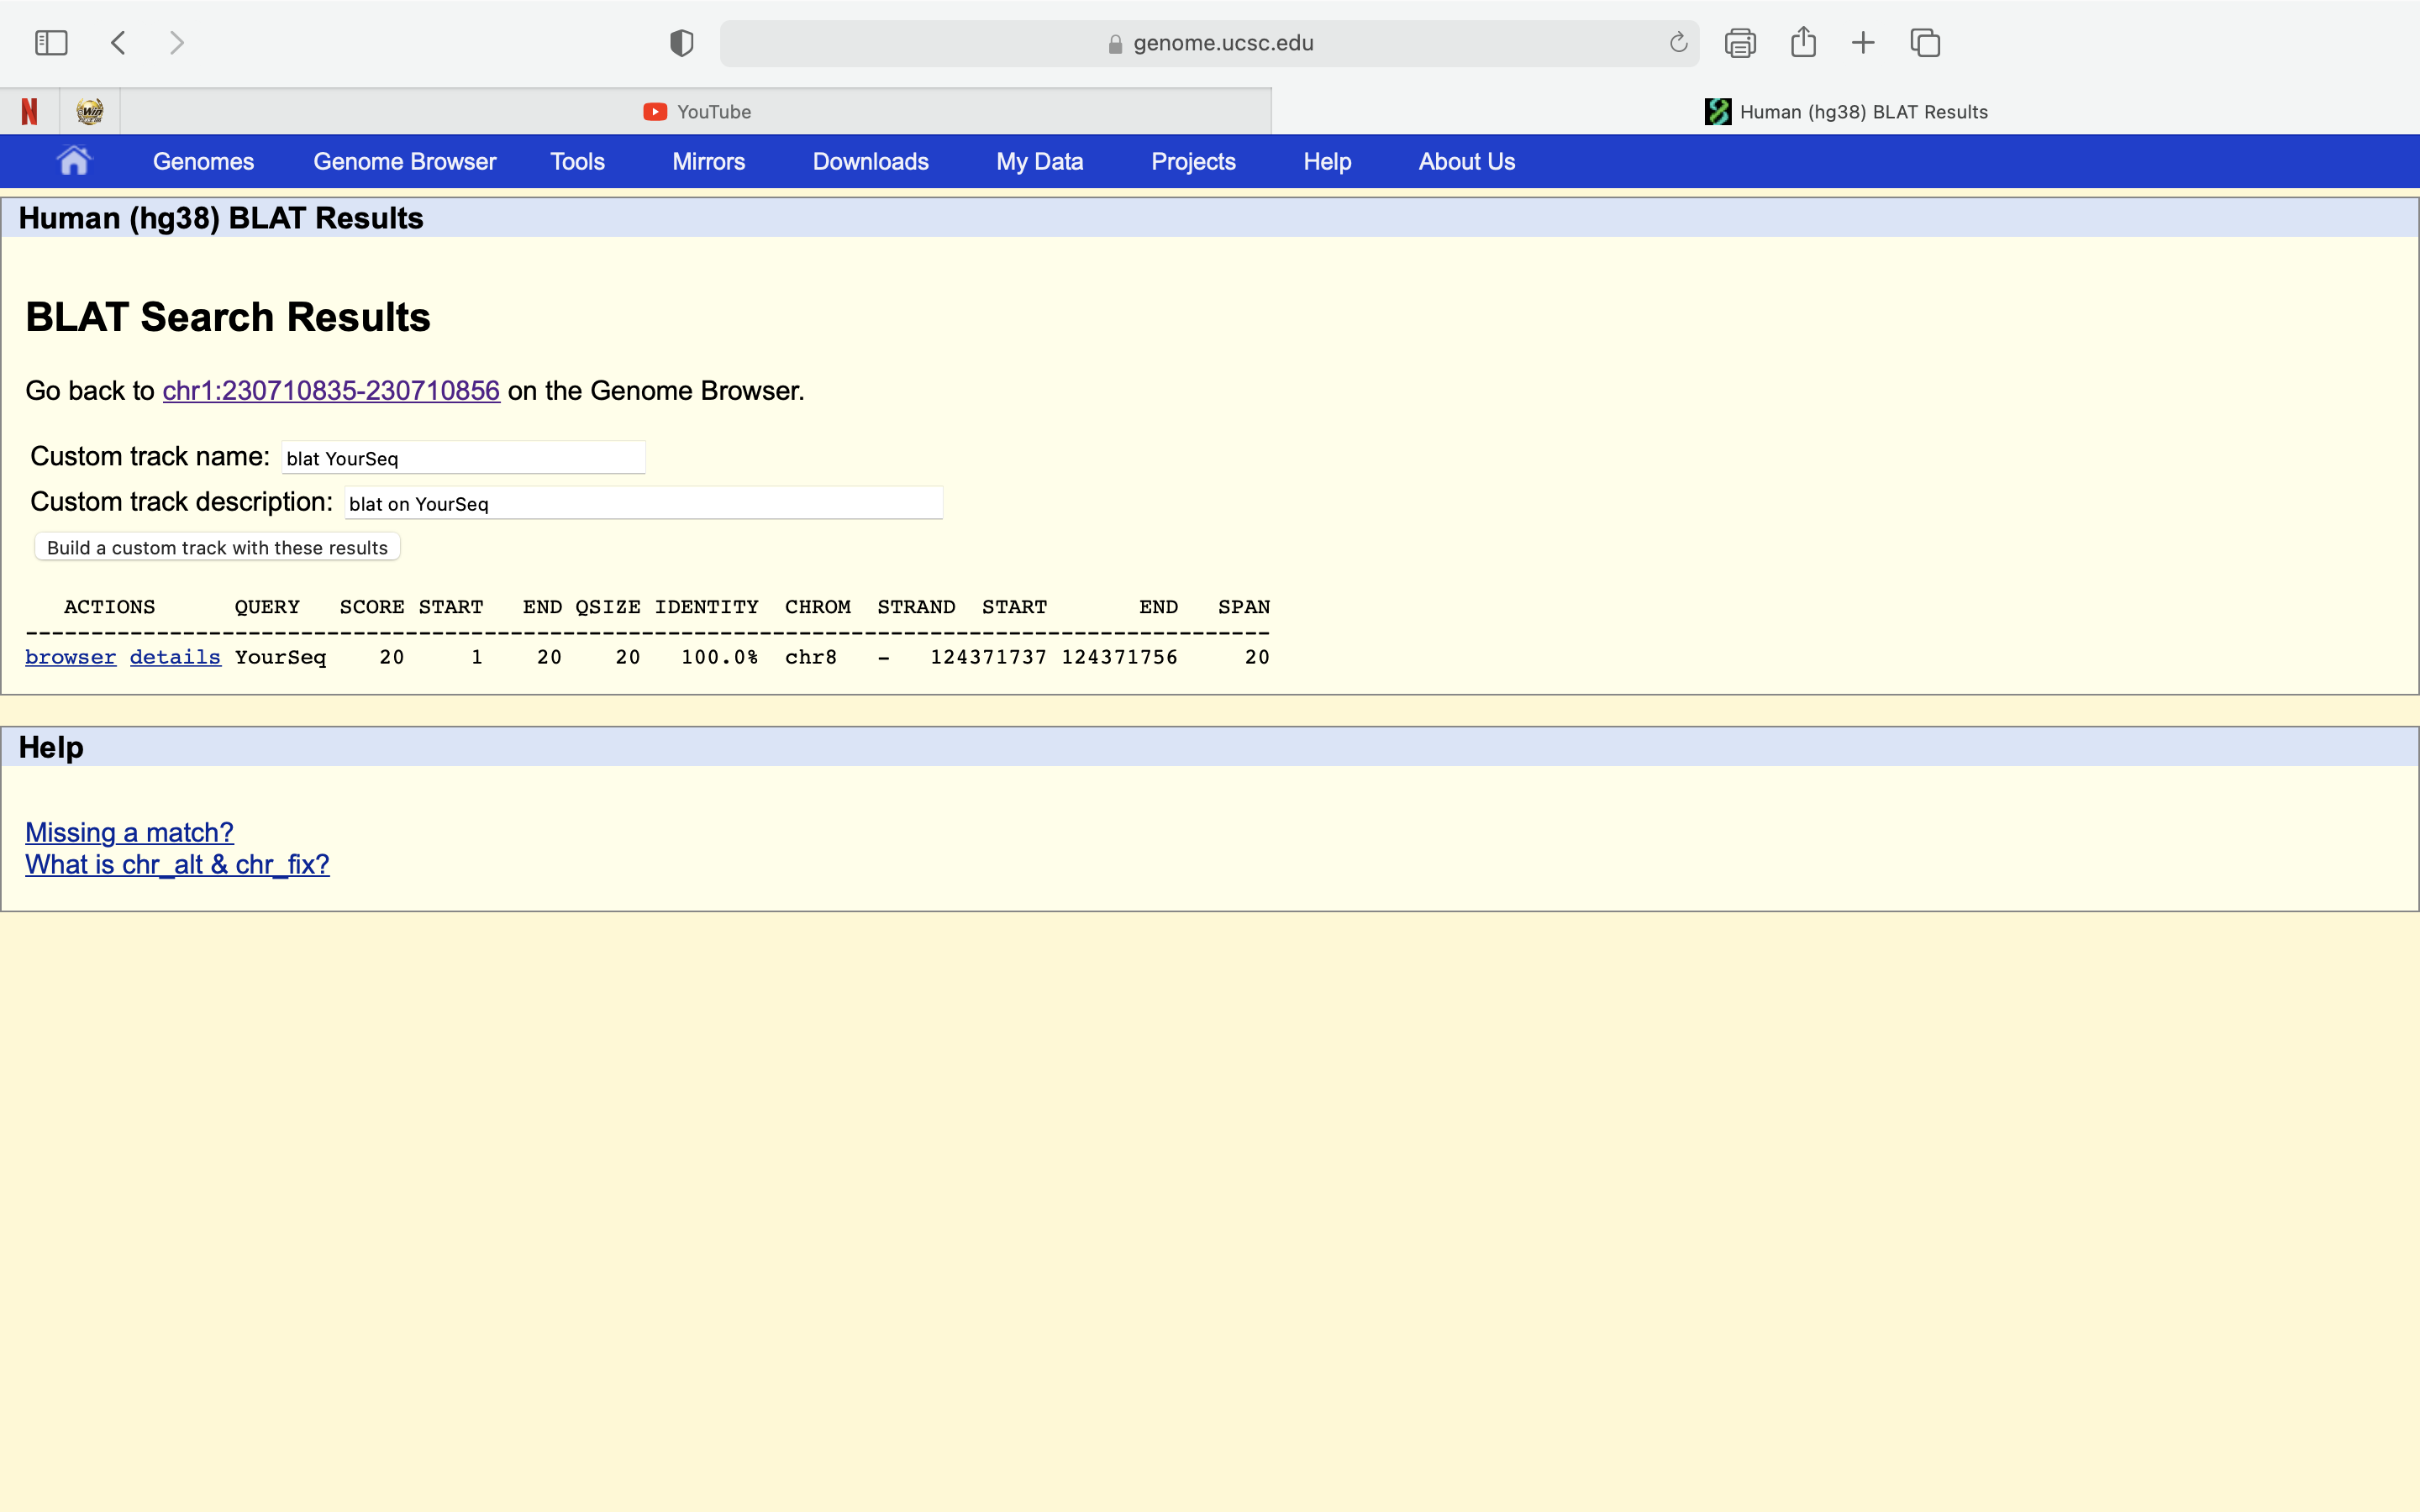
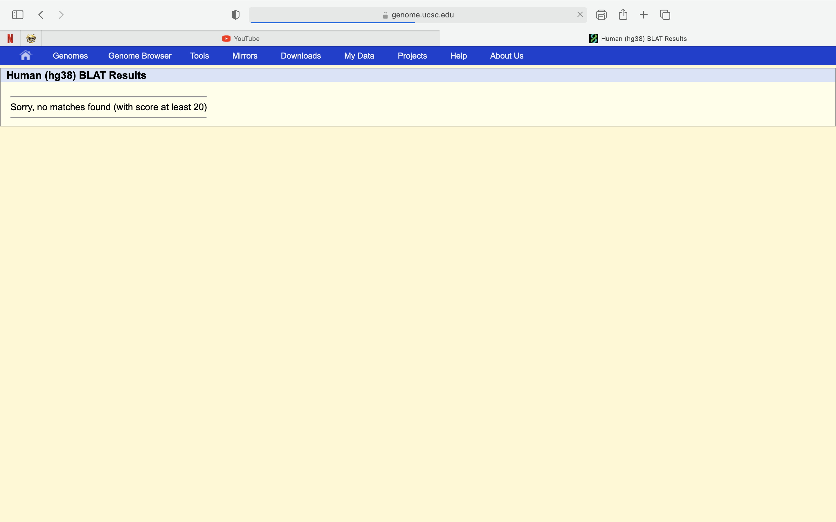

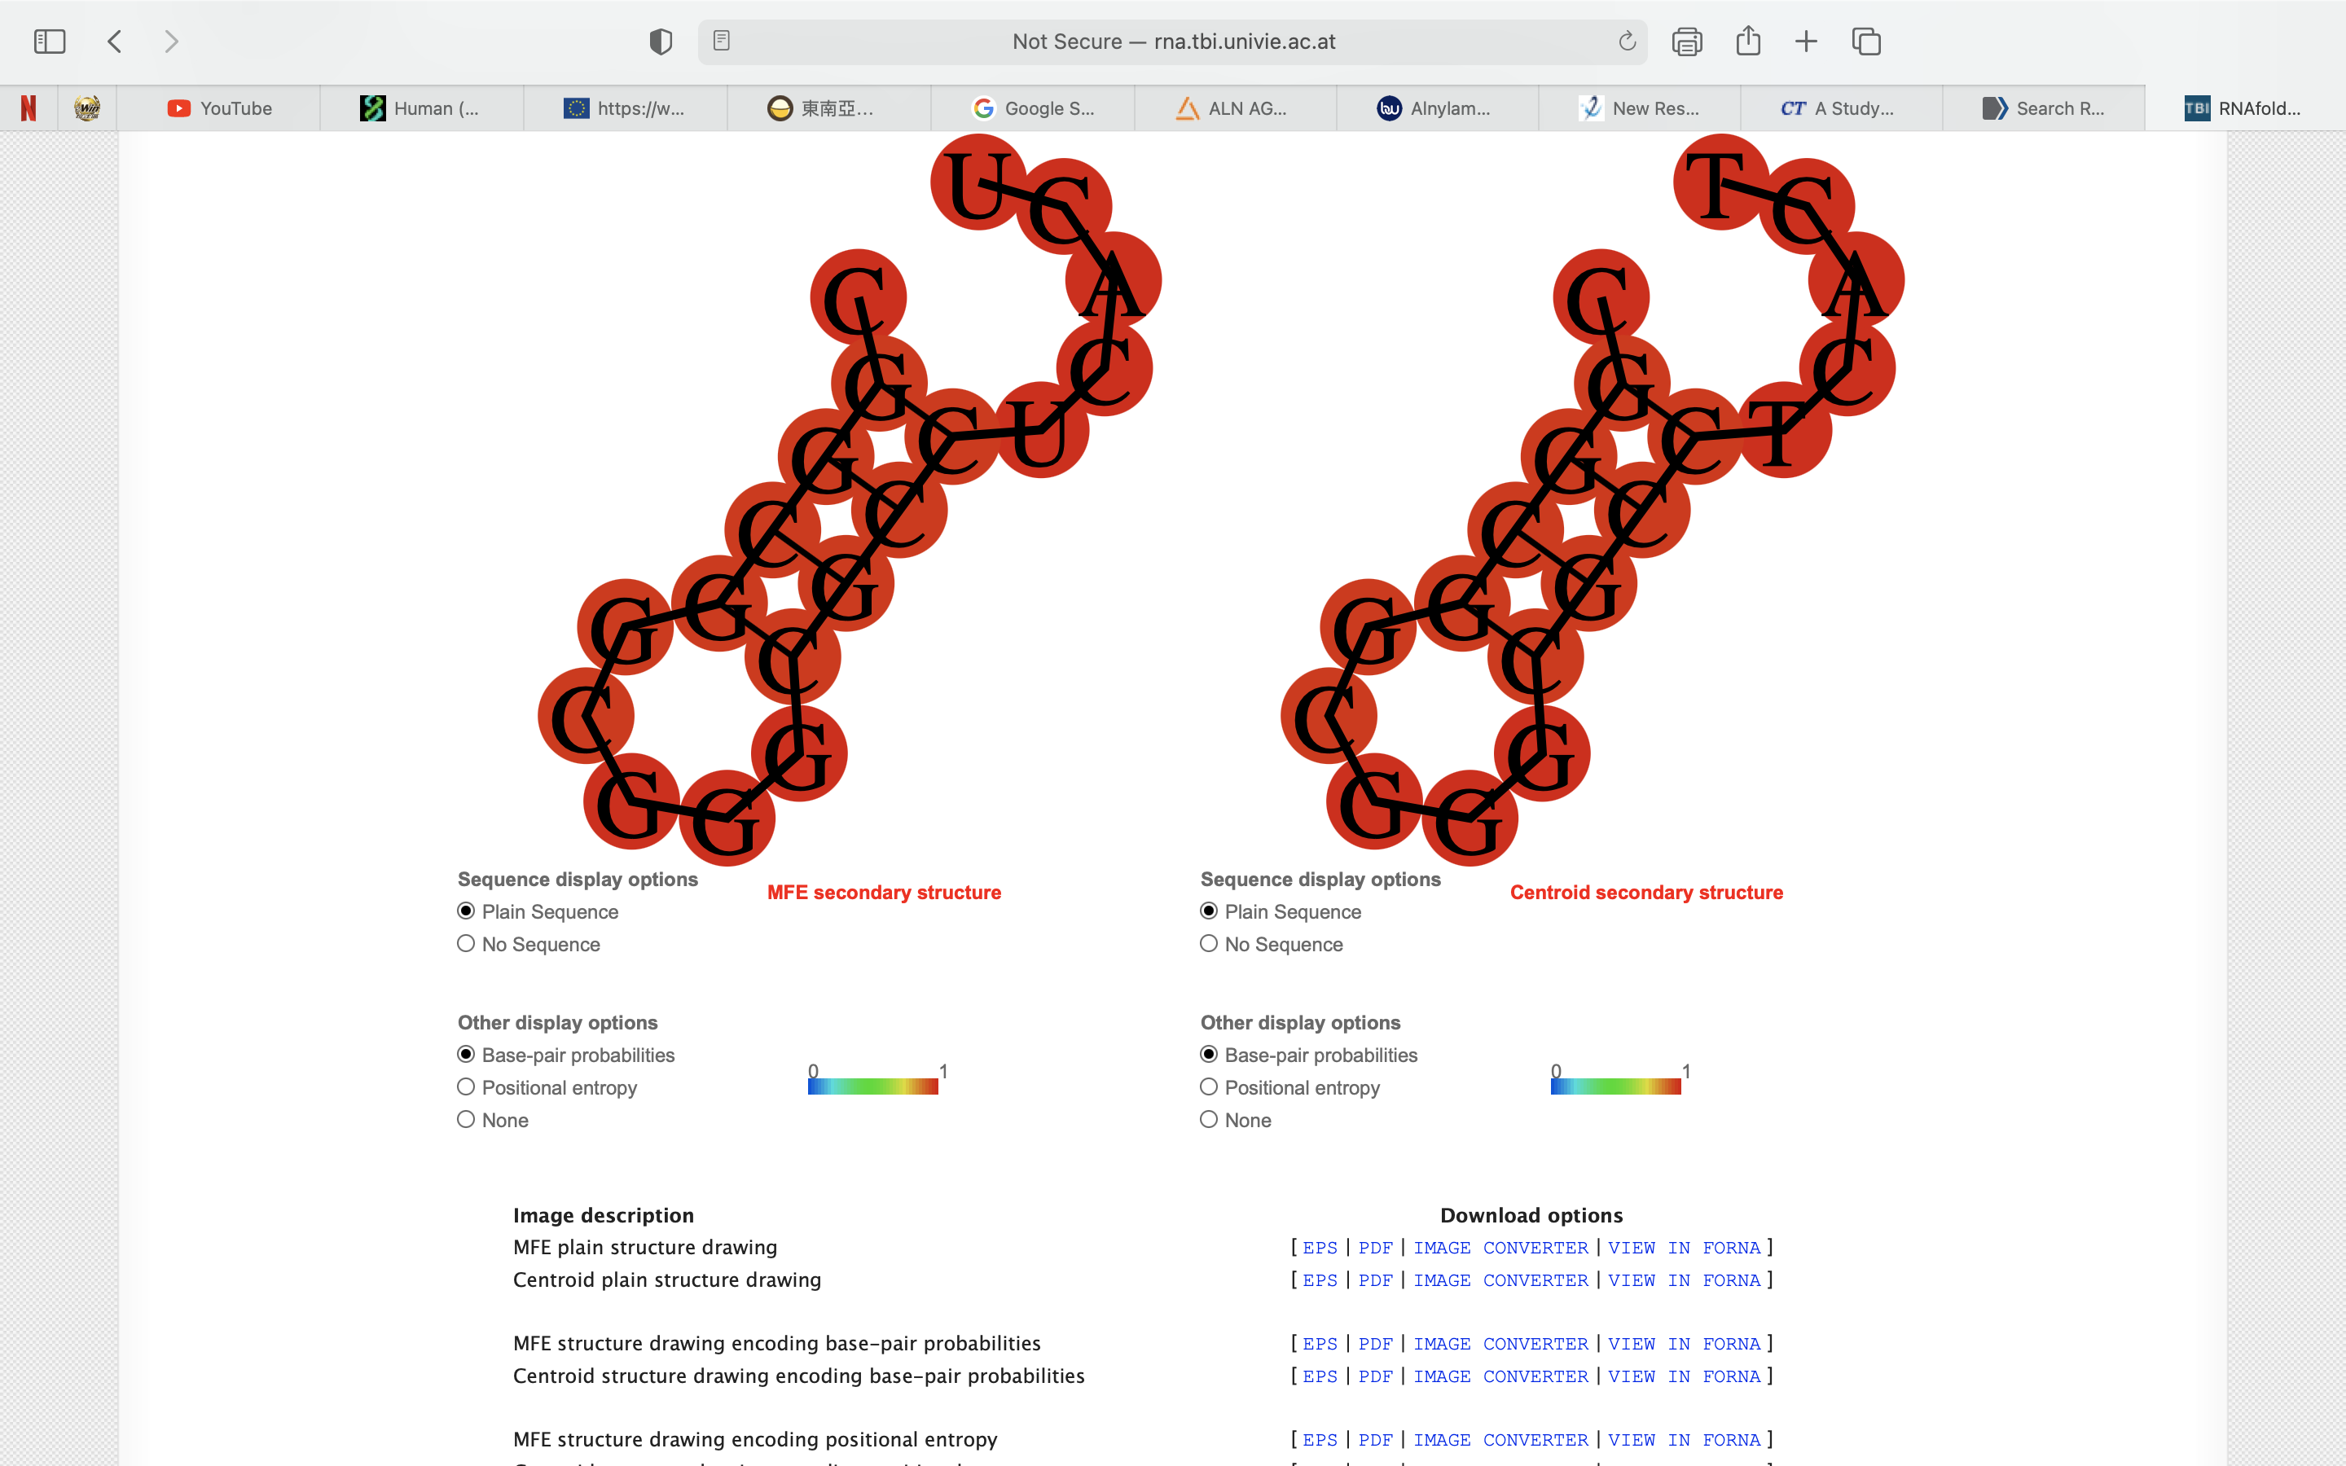
ccgccgccgccccccttcccGG |  | agaagctcaacacccagtgaGG (ApoA1_1) |  | cggcggcgggcgcctcactgGG (ApoA1_2) |  | GC 86% | gcggcggcgggcgcctcactGG |  | GC 86%
 | ccgccgccgccccccttcca |  | agaagctcaacacccagtga |  | cggcggcgggcgcctcacta |  |  | gcggcggcgggcgcctcaca
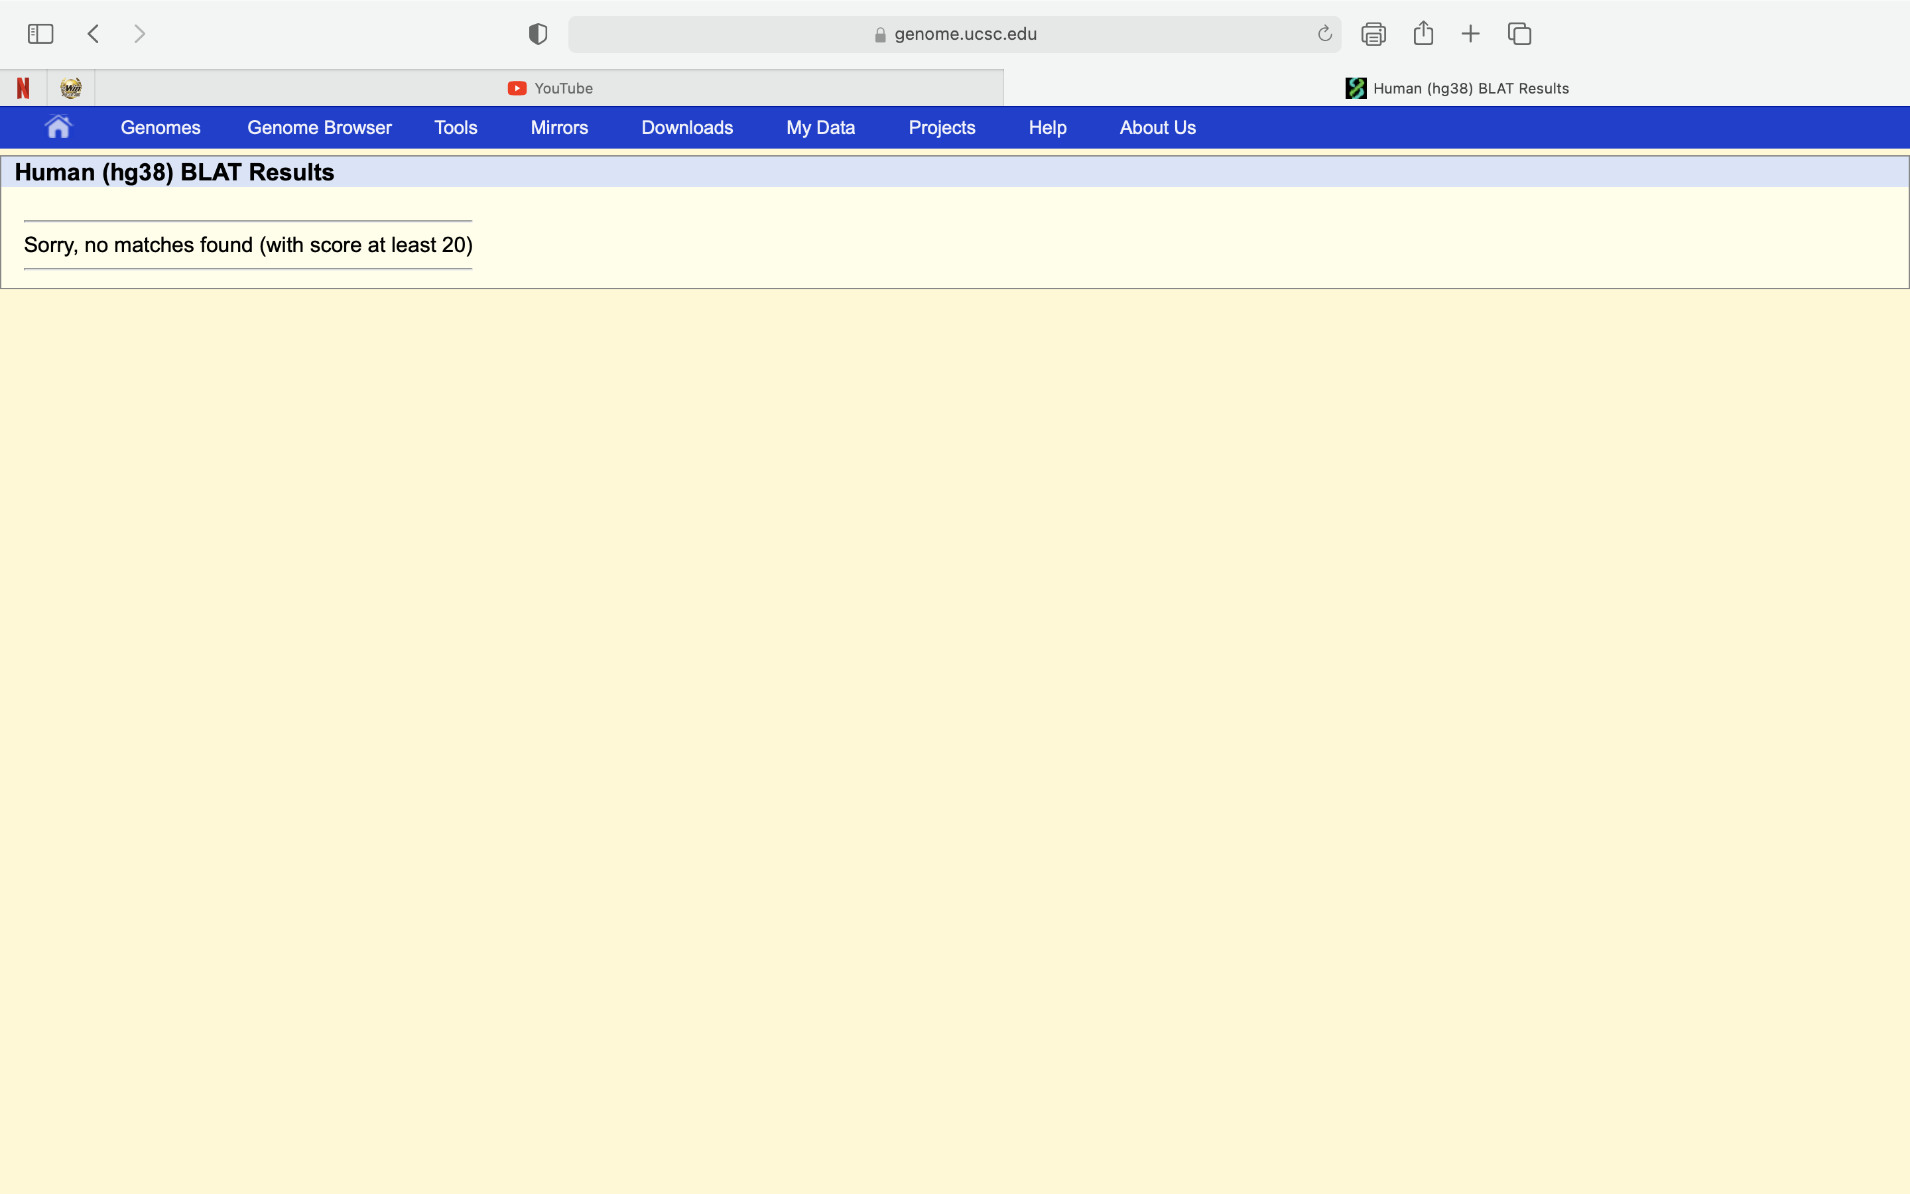

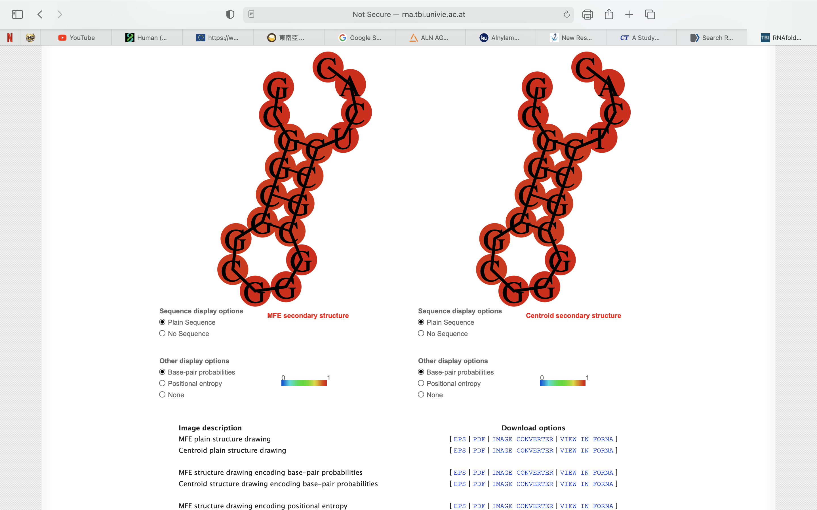

 | ccgccgccgccccccttcct |  | agaagctcaacacccagtgt |  | cggcggcgggcgcctcactt |  |  | gcggcggcgggcgcctcact


 | ccgccgccgccccccttccc |  | agaagctcaacacccagtgc |  | cggcggcgggcgcctcactc |  |  | gcggcggcgggcgcctcacc

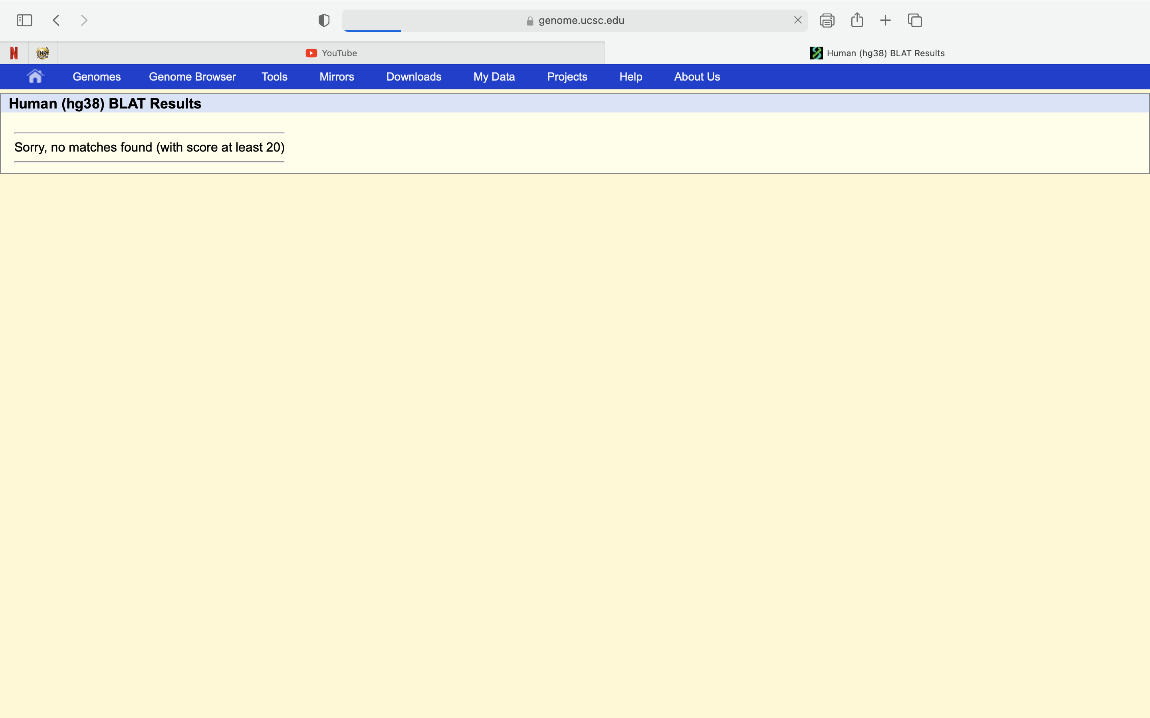

 | ccgccgccgccccccttccg |  | agaagctcaacacccagtgg |  | cggcggcgggcgcctcactg |  |  | gcggcggcgggcgcctcacg

PCSK9
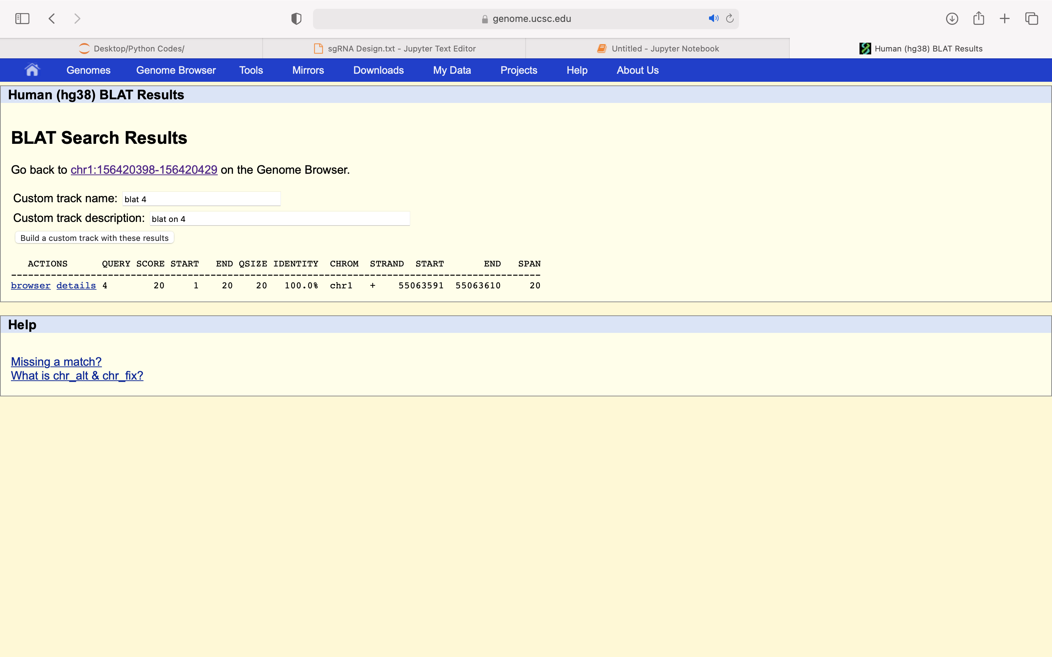

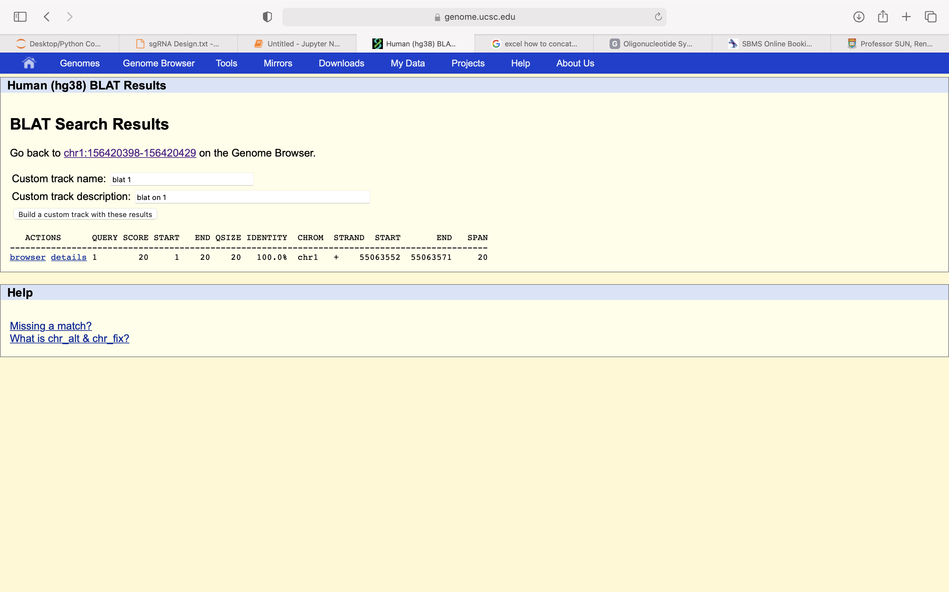

ccagtgacagccccatcccaGG (PCSK9_1) |  |  | tgacagccccatcccaggatGG (PCSK9_2) |  |  | cctgggatggggctgtcactGG (PCSK9_3) |  |  | gggctgtcactggagctcctGG
 | ccagtgacagccccatccca |  |  | tgacagccccatcccaggaa |  |  | cctgggatggggctgtcaca |  |  | gggctgtcactggagctcca
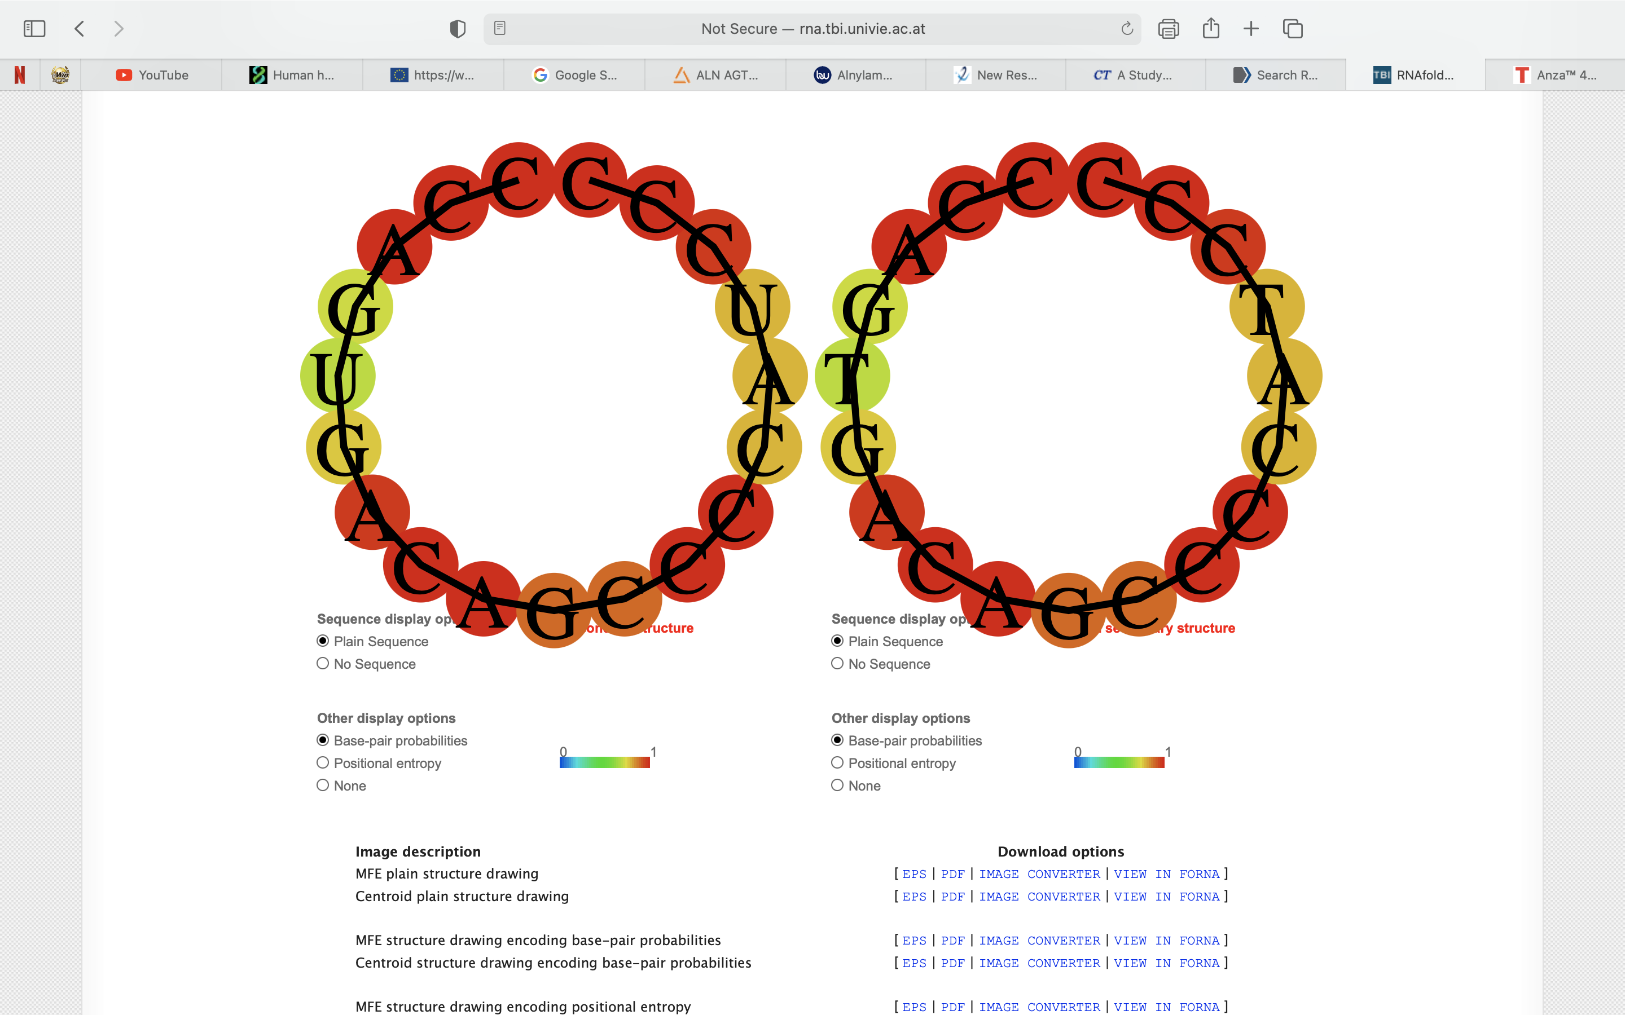
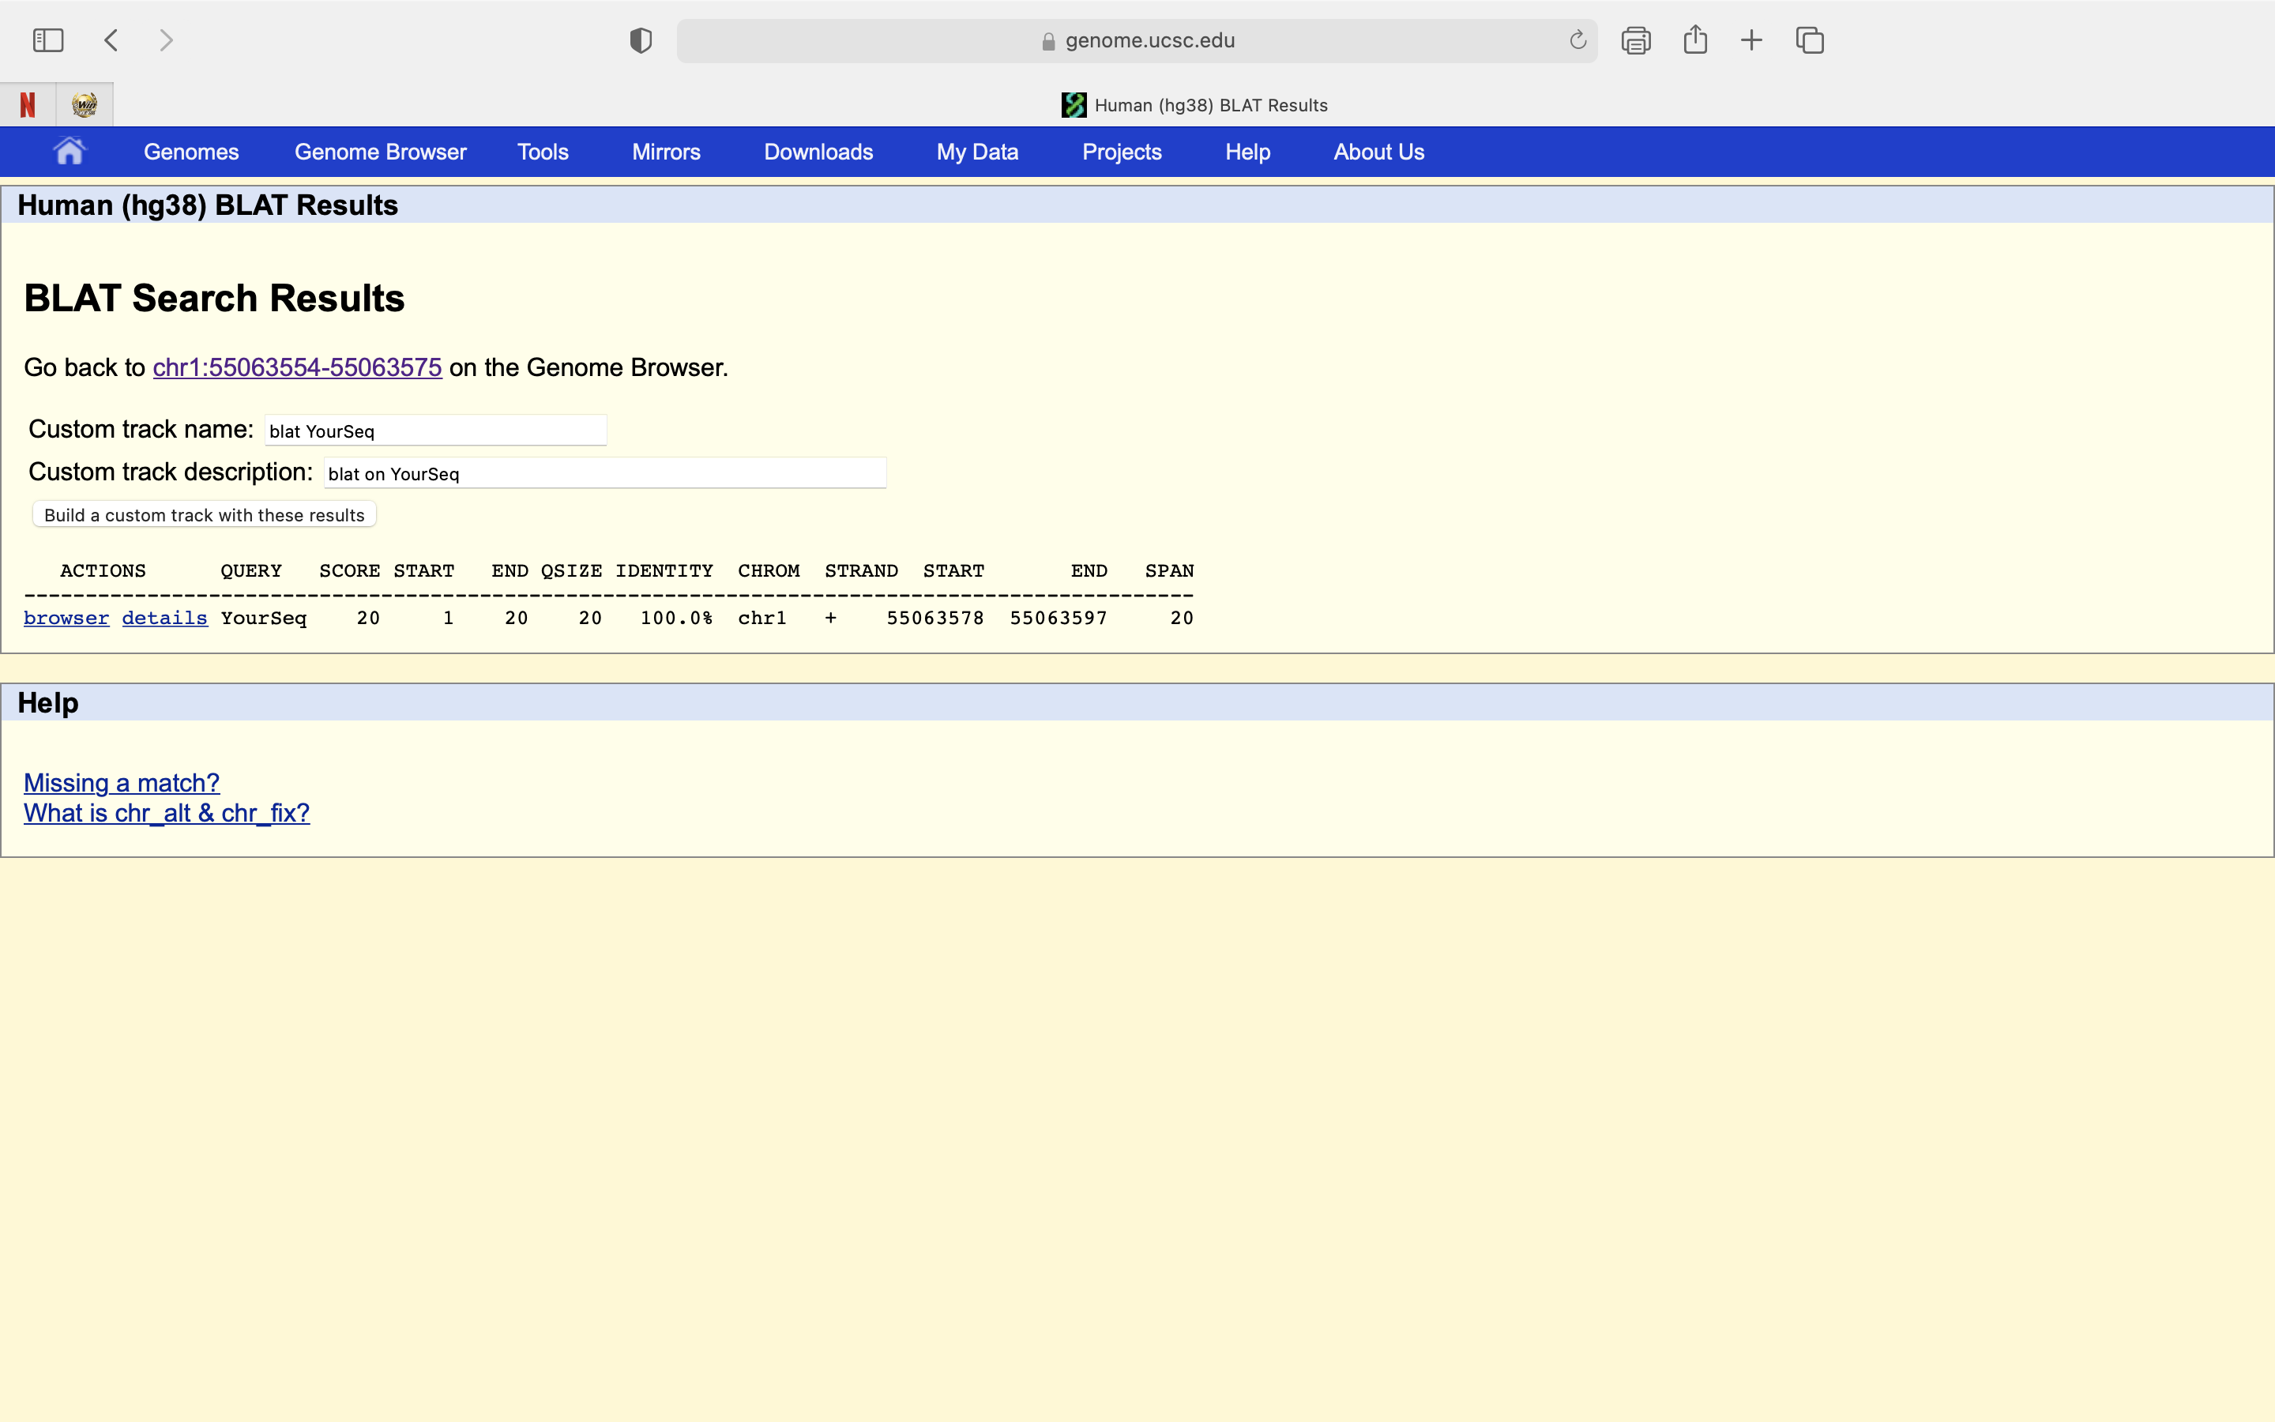
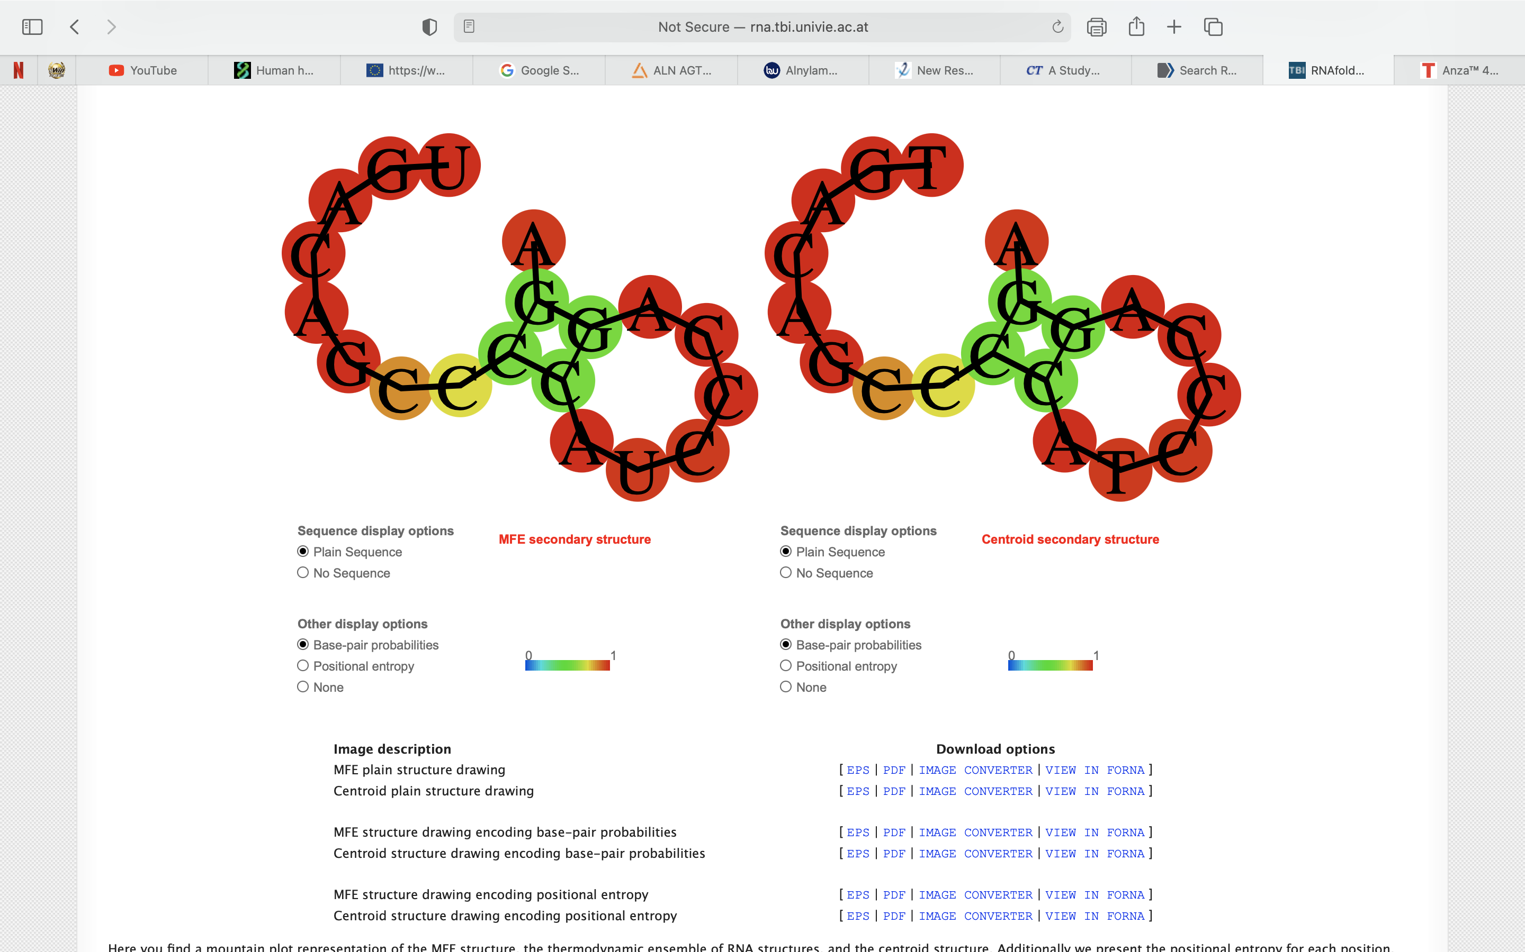
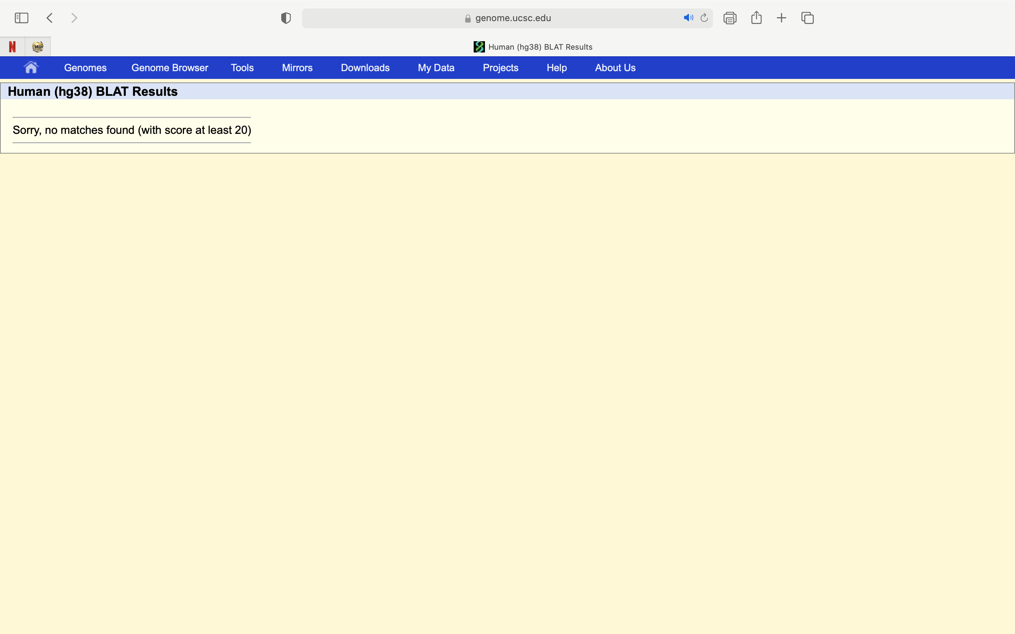
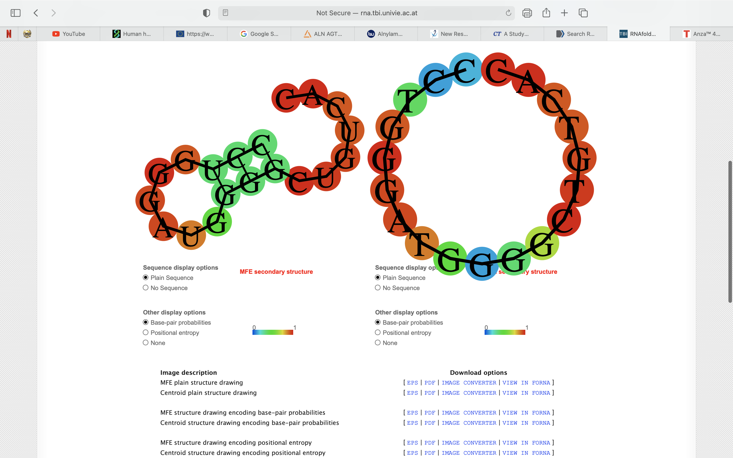
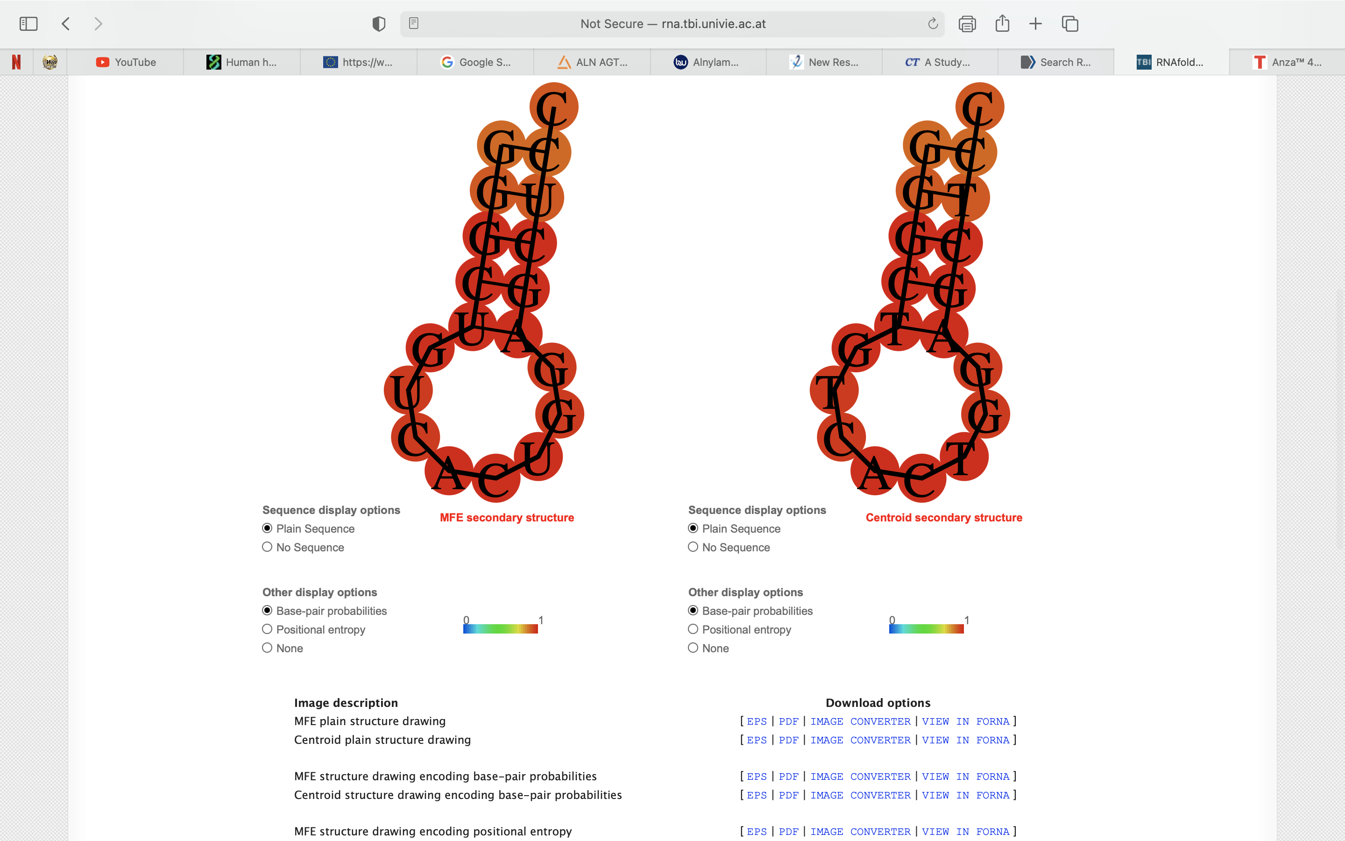
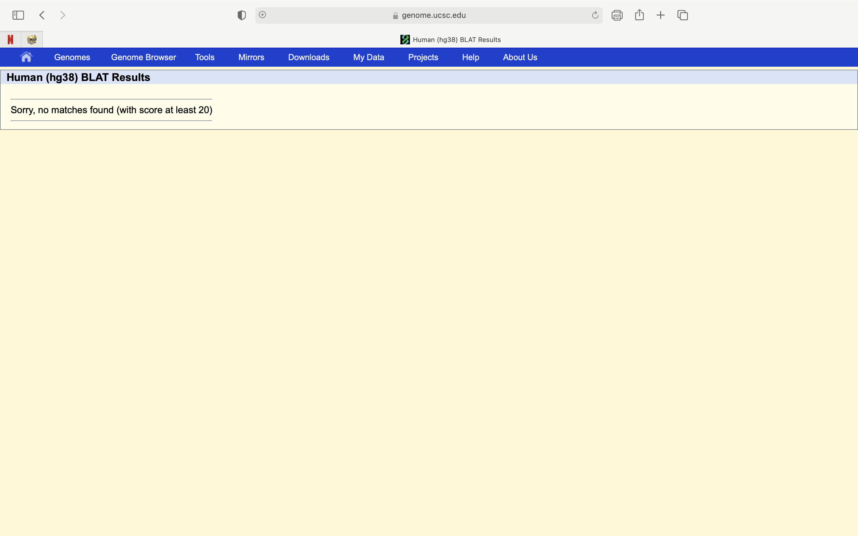

 | ccagtgacagccccatccct |  |  | tgacagccccatcccaggat |  |  | cctgggatggggctgtcact |  |  | gggctgtcactggagctcct
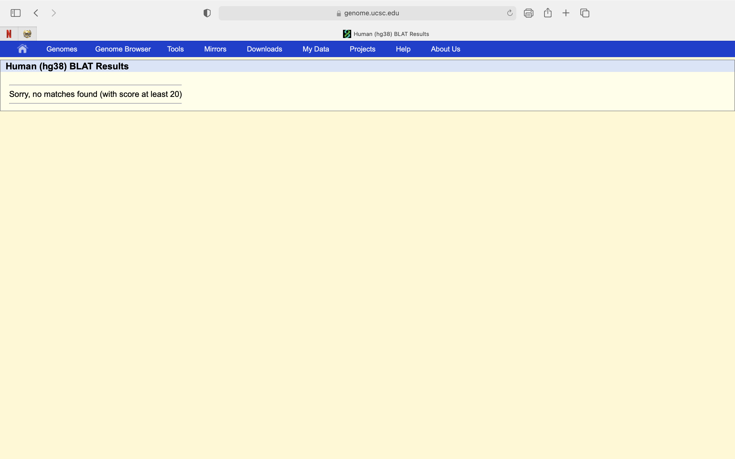
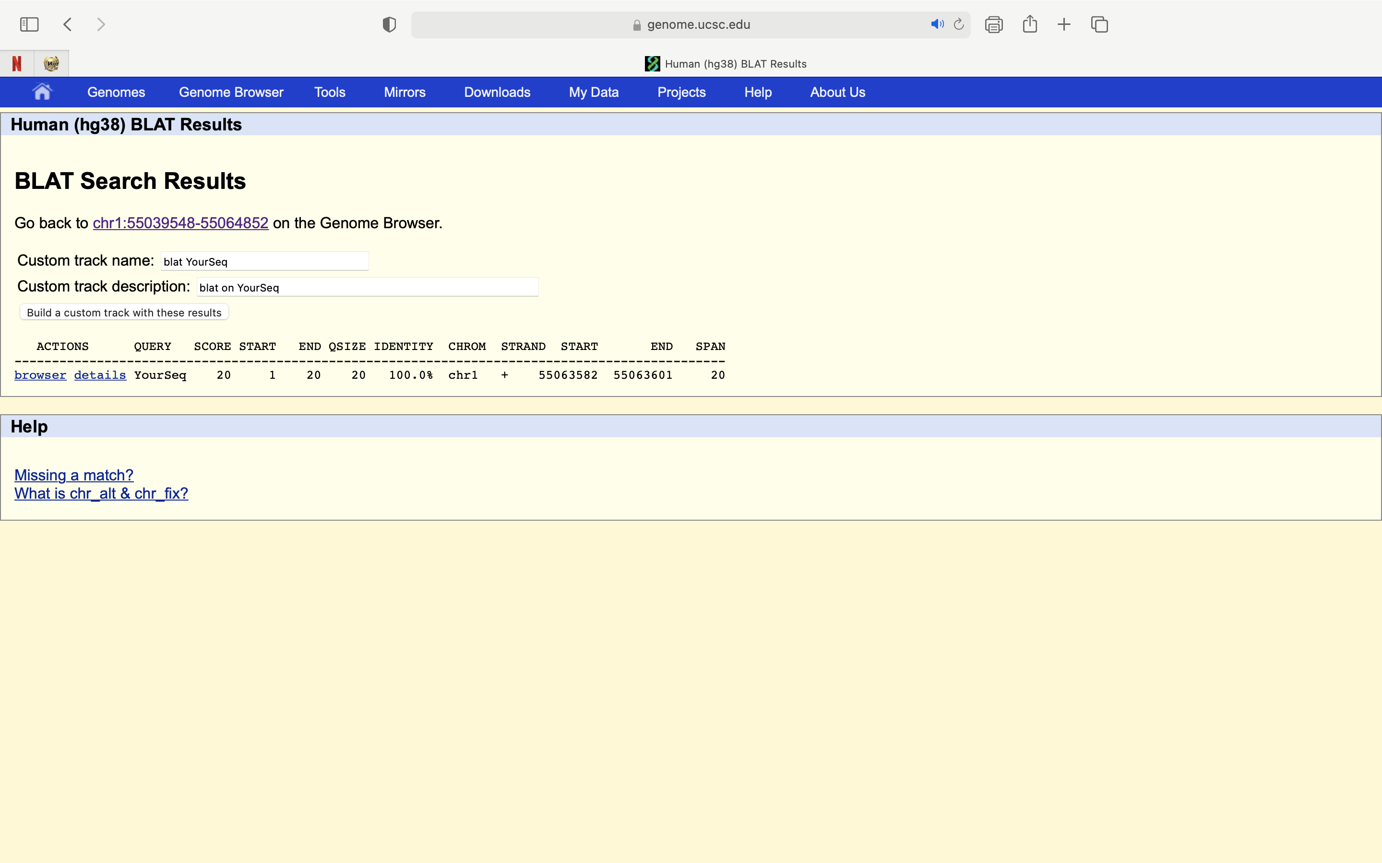



 | ive

 | ccagtgacagccccatcccc |  |  | tgacagccccatcccaggac |  |  | cctgggatggggctgtcacc |  |  | gggctgtcactggagctccc


 | ccagtgacagccccatcccg |  |  | tgacagccccatcccaggag |  |  | cctgggatggggctgtcacg |  |  | gggctgtcactggagctccg

ggctgtcactggagctcctgGG (sgRNA-PCSK9v2_1) Reverse |  | tgtcactggagctcctgggaGG (sgRNA-PCSK9v2_2) Reverse |  |  | gggctgtcactggagctcctGG (sgRNA-PCSK9v2_3) Reverse |  |  | agacacccatcctgggatggGG (sgRNA-PCSK9v2_4) Reverse |  |  | ccatcccaggatgggtgtctGG (sgRNA-PCSK9v2_5) Forward
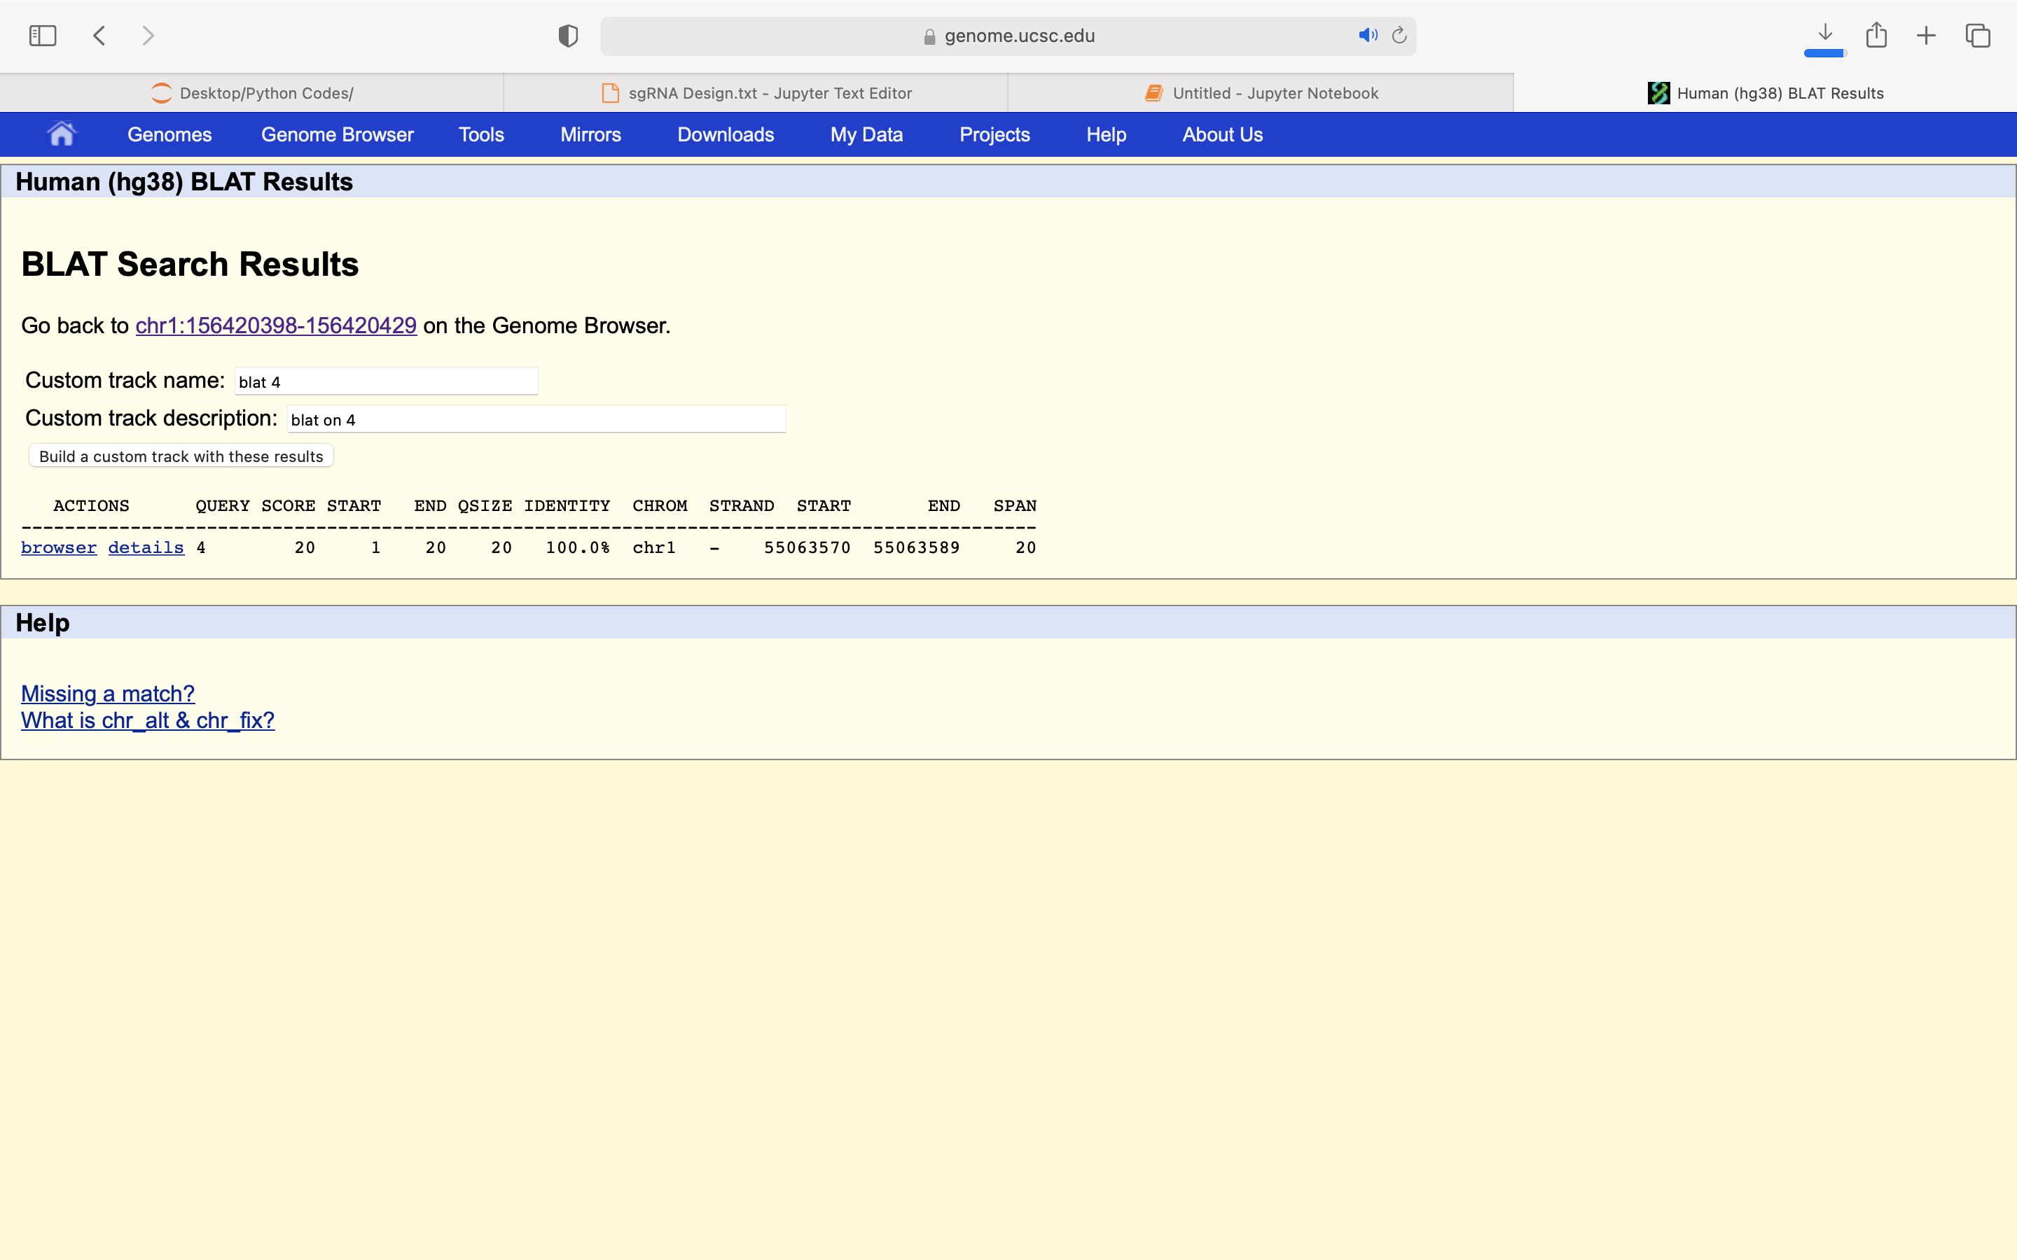





catcccaggatgggtgtctgGG (sgRNA-PCSK9v2_6) Forward |  | atcccaggatgggtgtctggGG (sgRNA-PCSK9v2_7) Forward |  |  | cacctggcgcaggcctcccaGG (sgRNA-PCSK9v2_8) Forward |  |  | gacagccccatcccaggatgGG (sgRNA-PCSK9v2_9) Forward

TTR
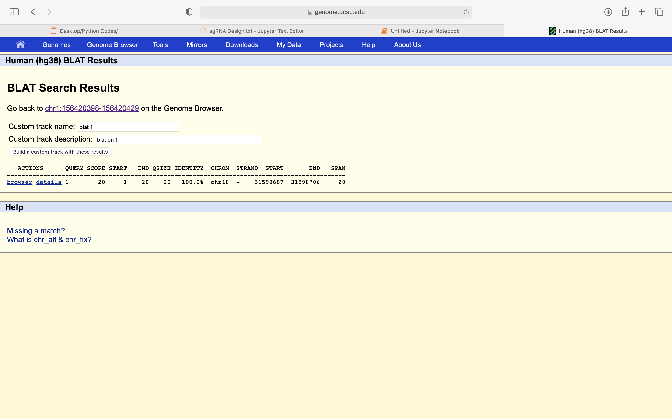
tgagggacttctcctccagtGG |  |  | tctcctccagtggacctgaaGG (TTR_1) |  |  | gtccctcattccttgggattGG (TTR_2) |  |  | gagaagtccctcattccttgGG (TTR_3)
 | tgagggacttctcctccaga |  |  | tctcctccagtggacctgaa |  |  | gtccctcattccttgggata |  |  | gagaagtccctcattcctta
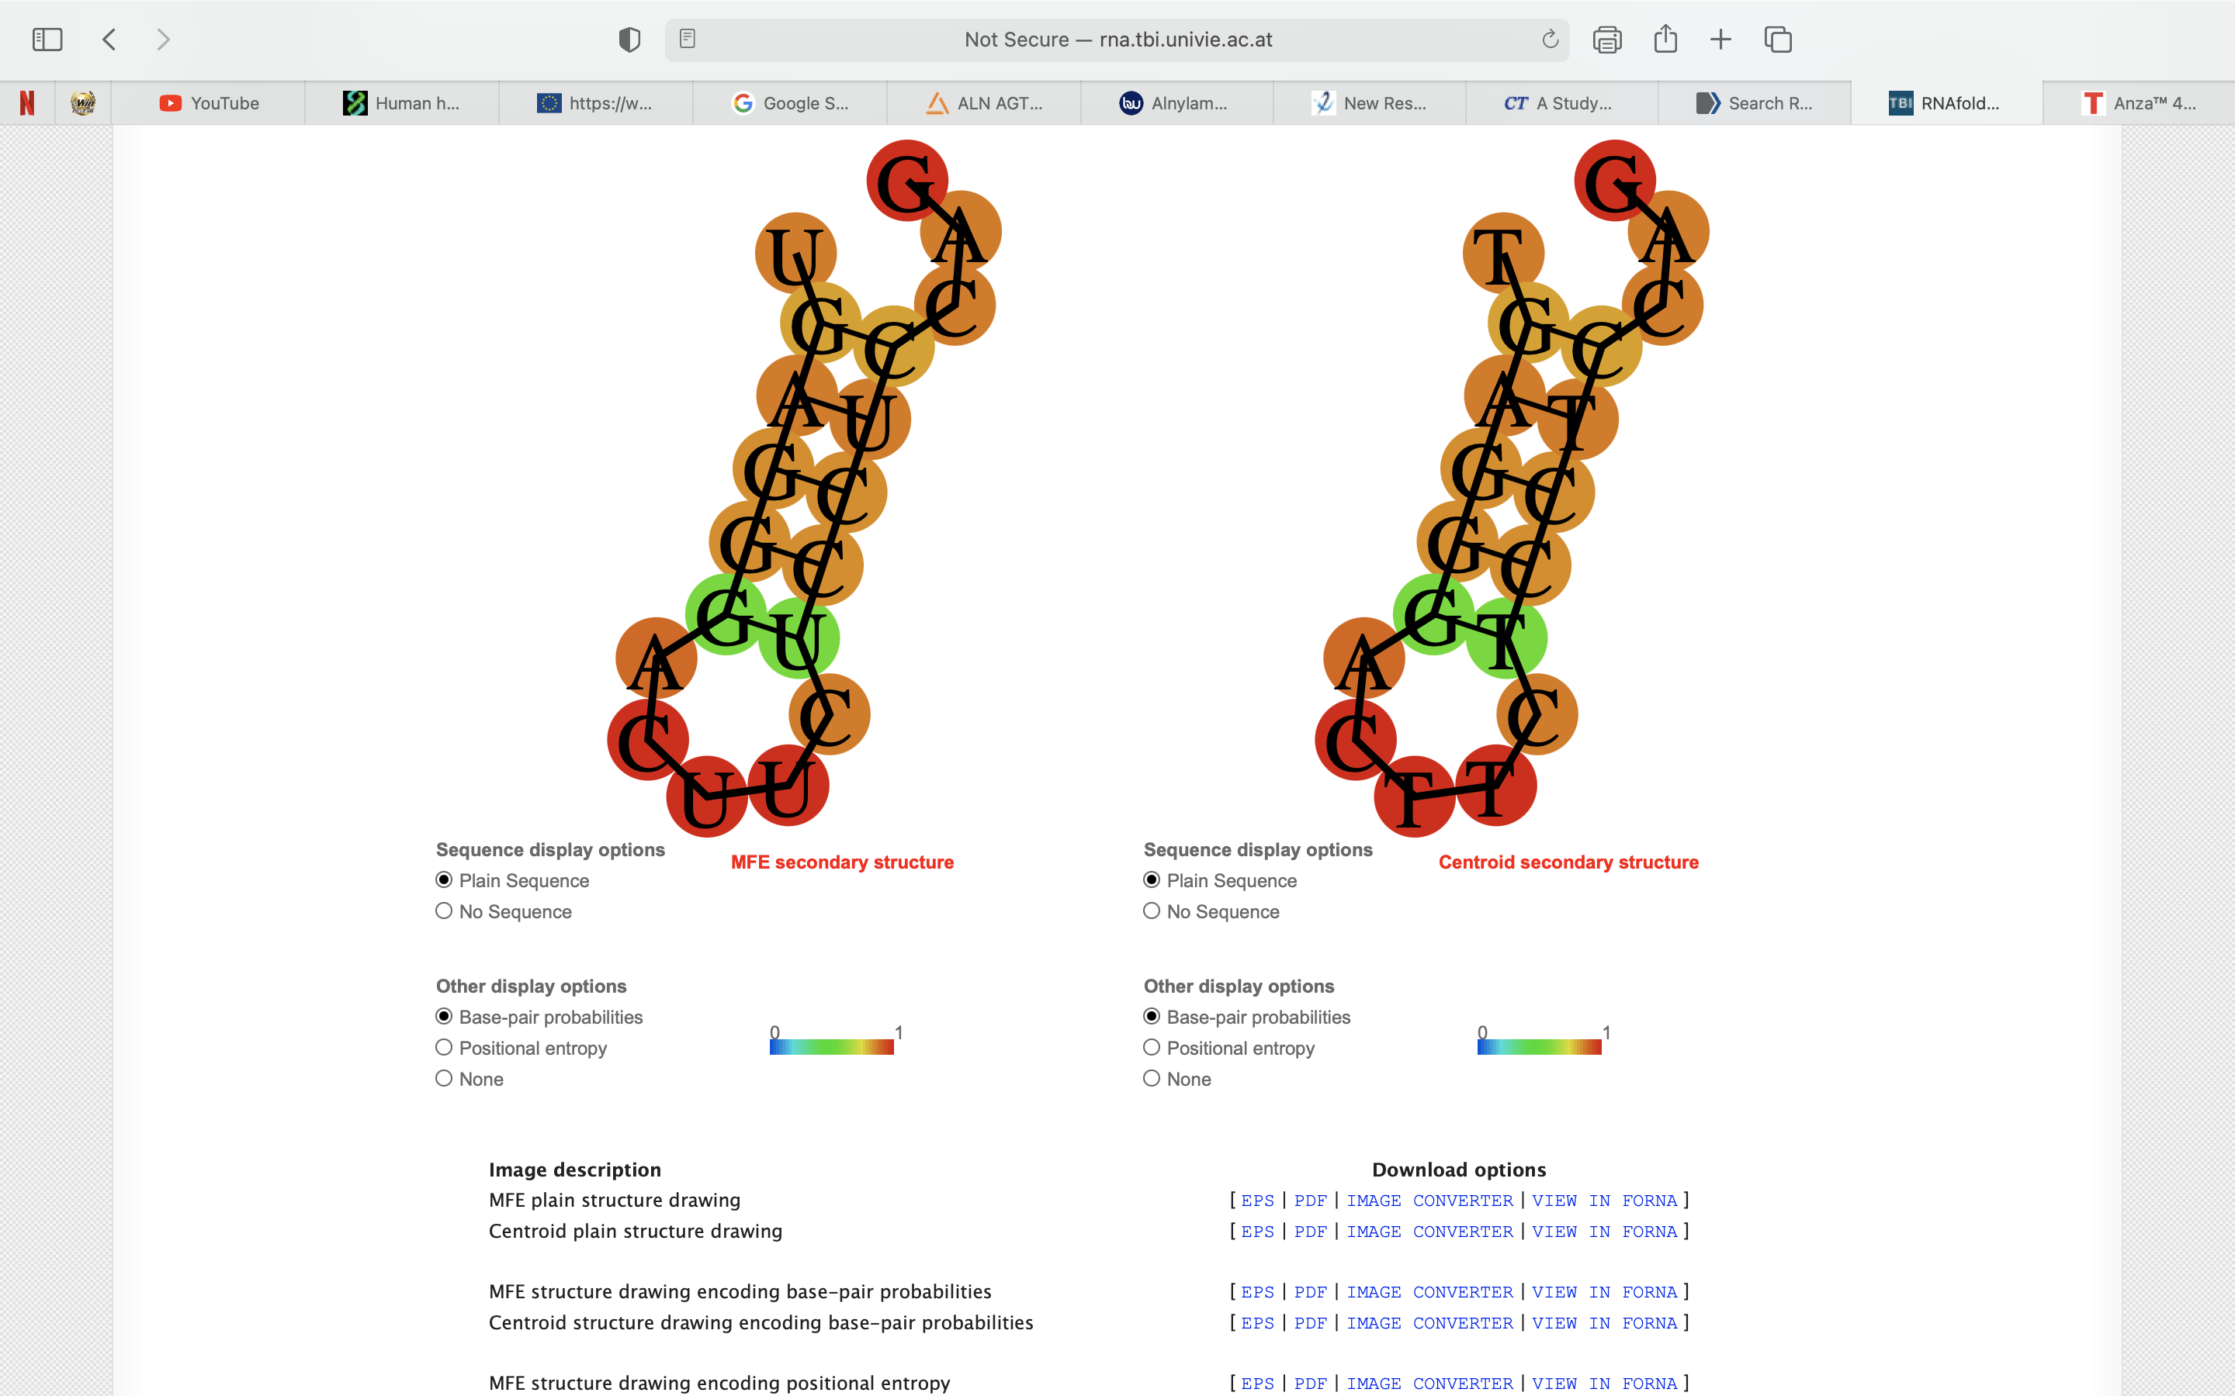
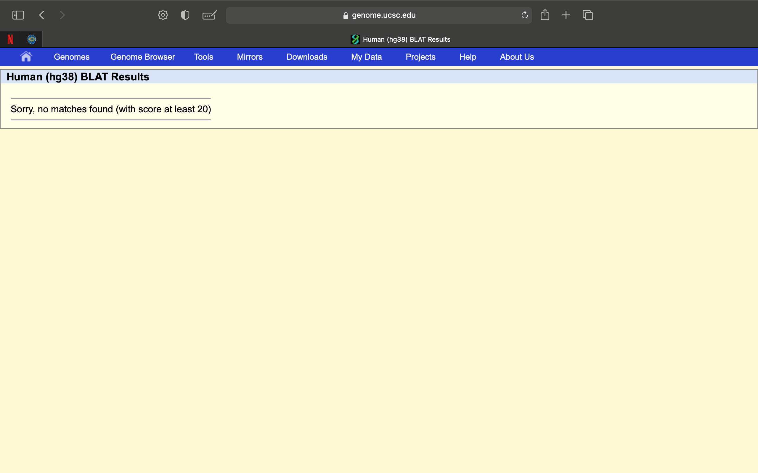
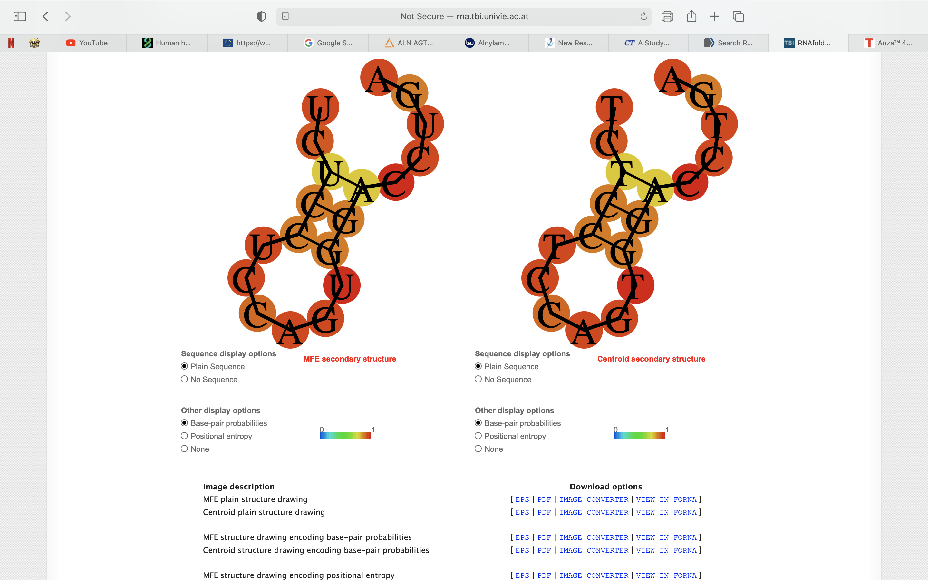
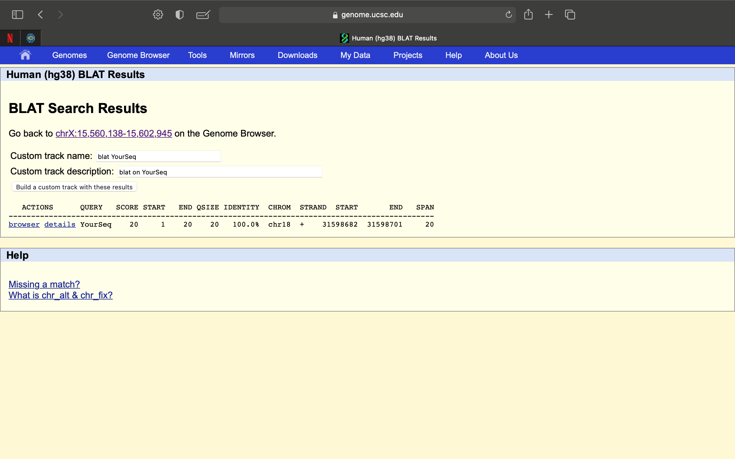
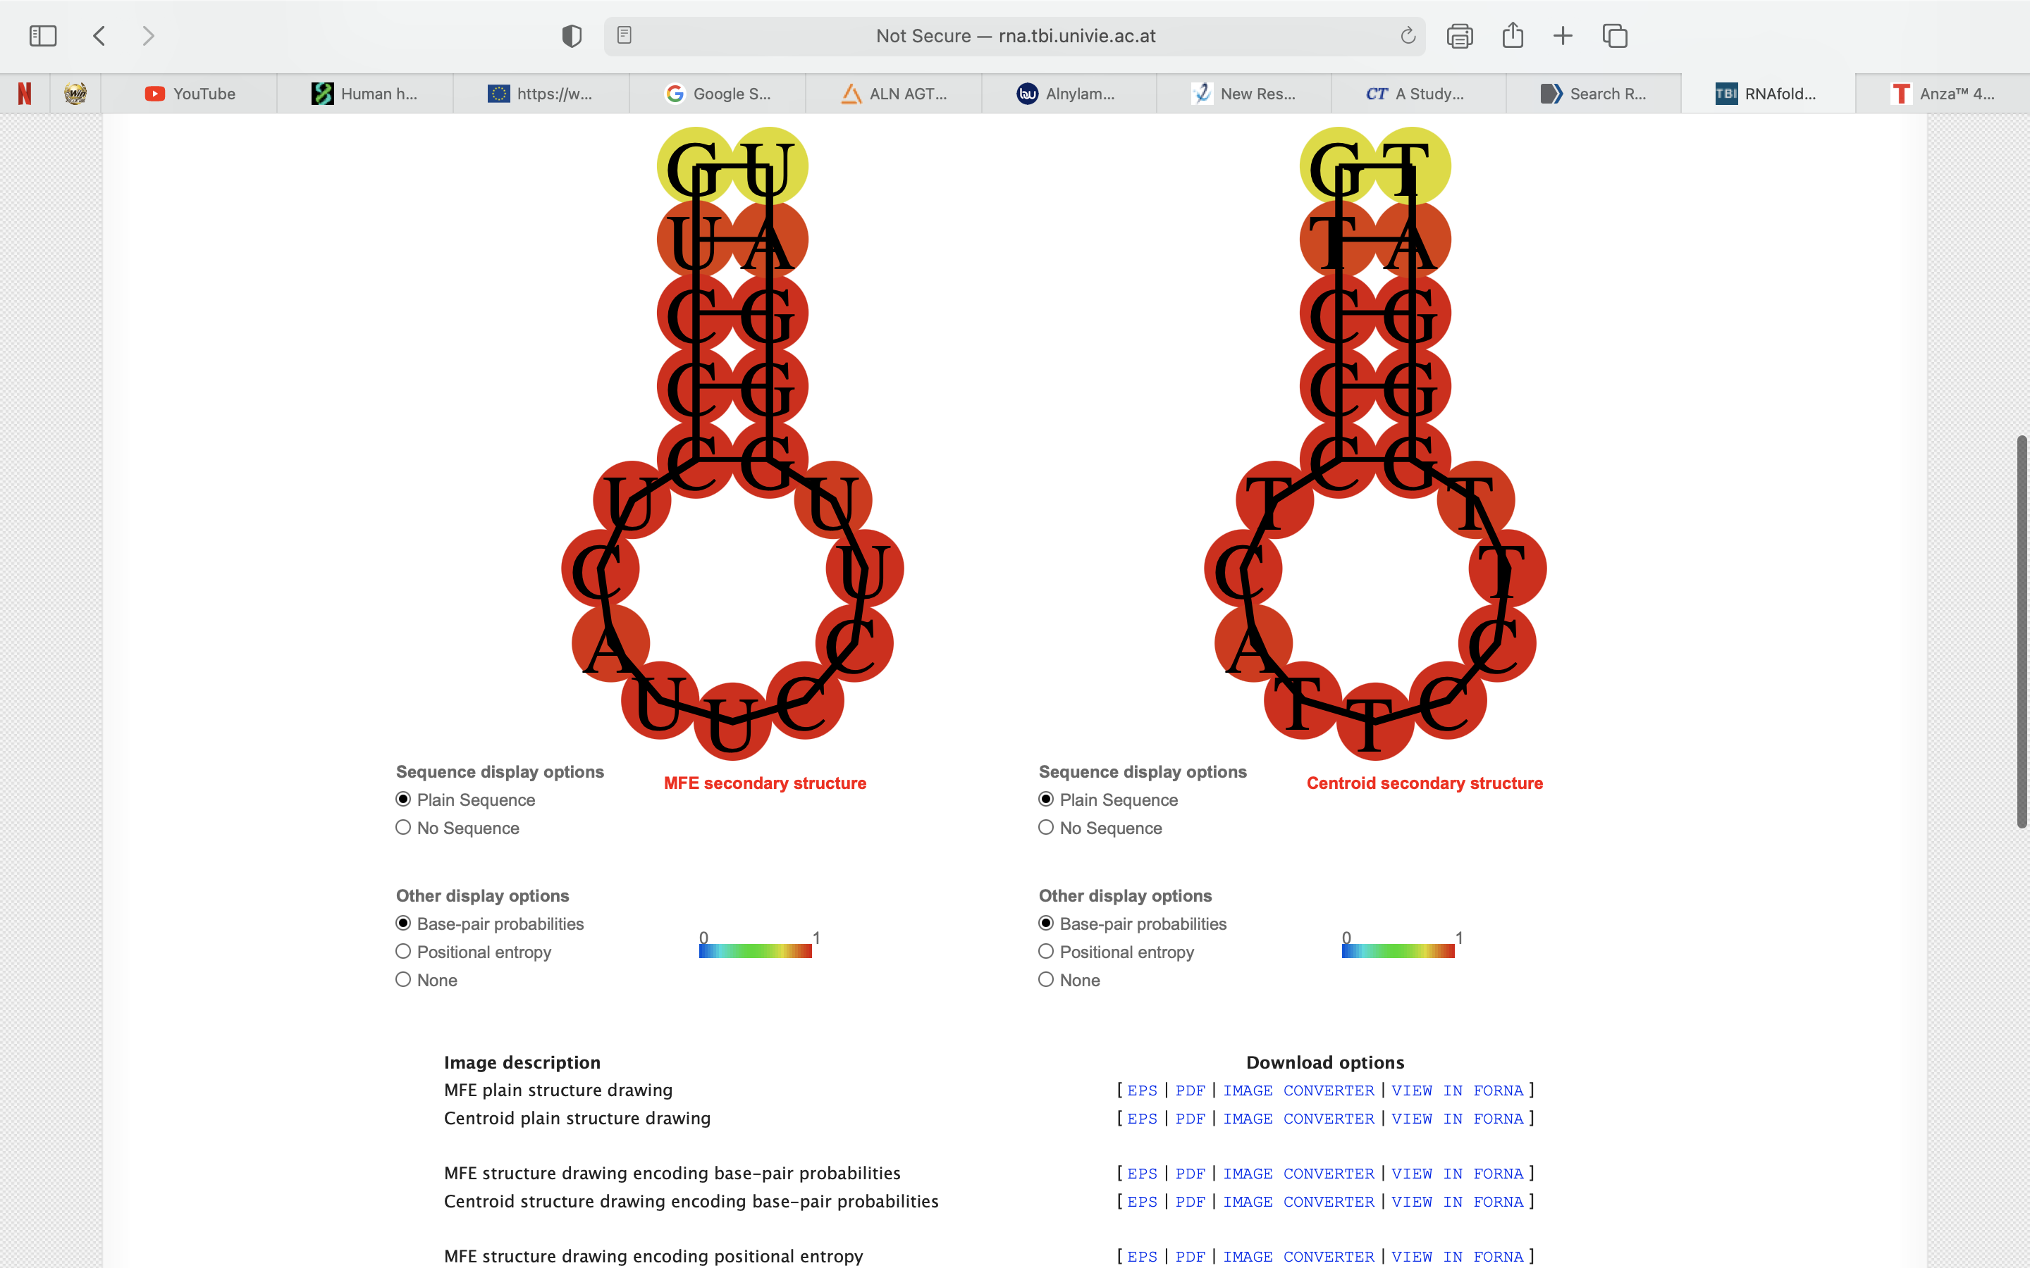
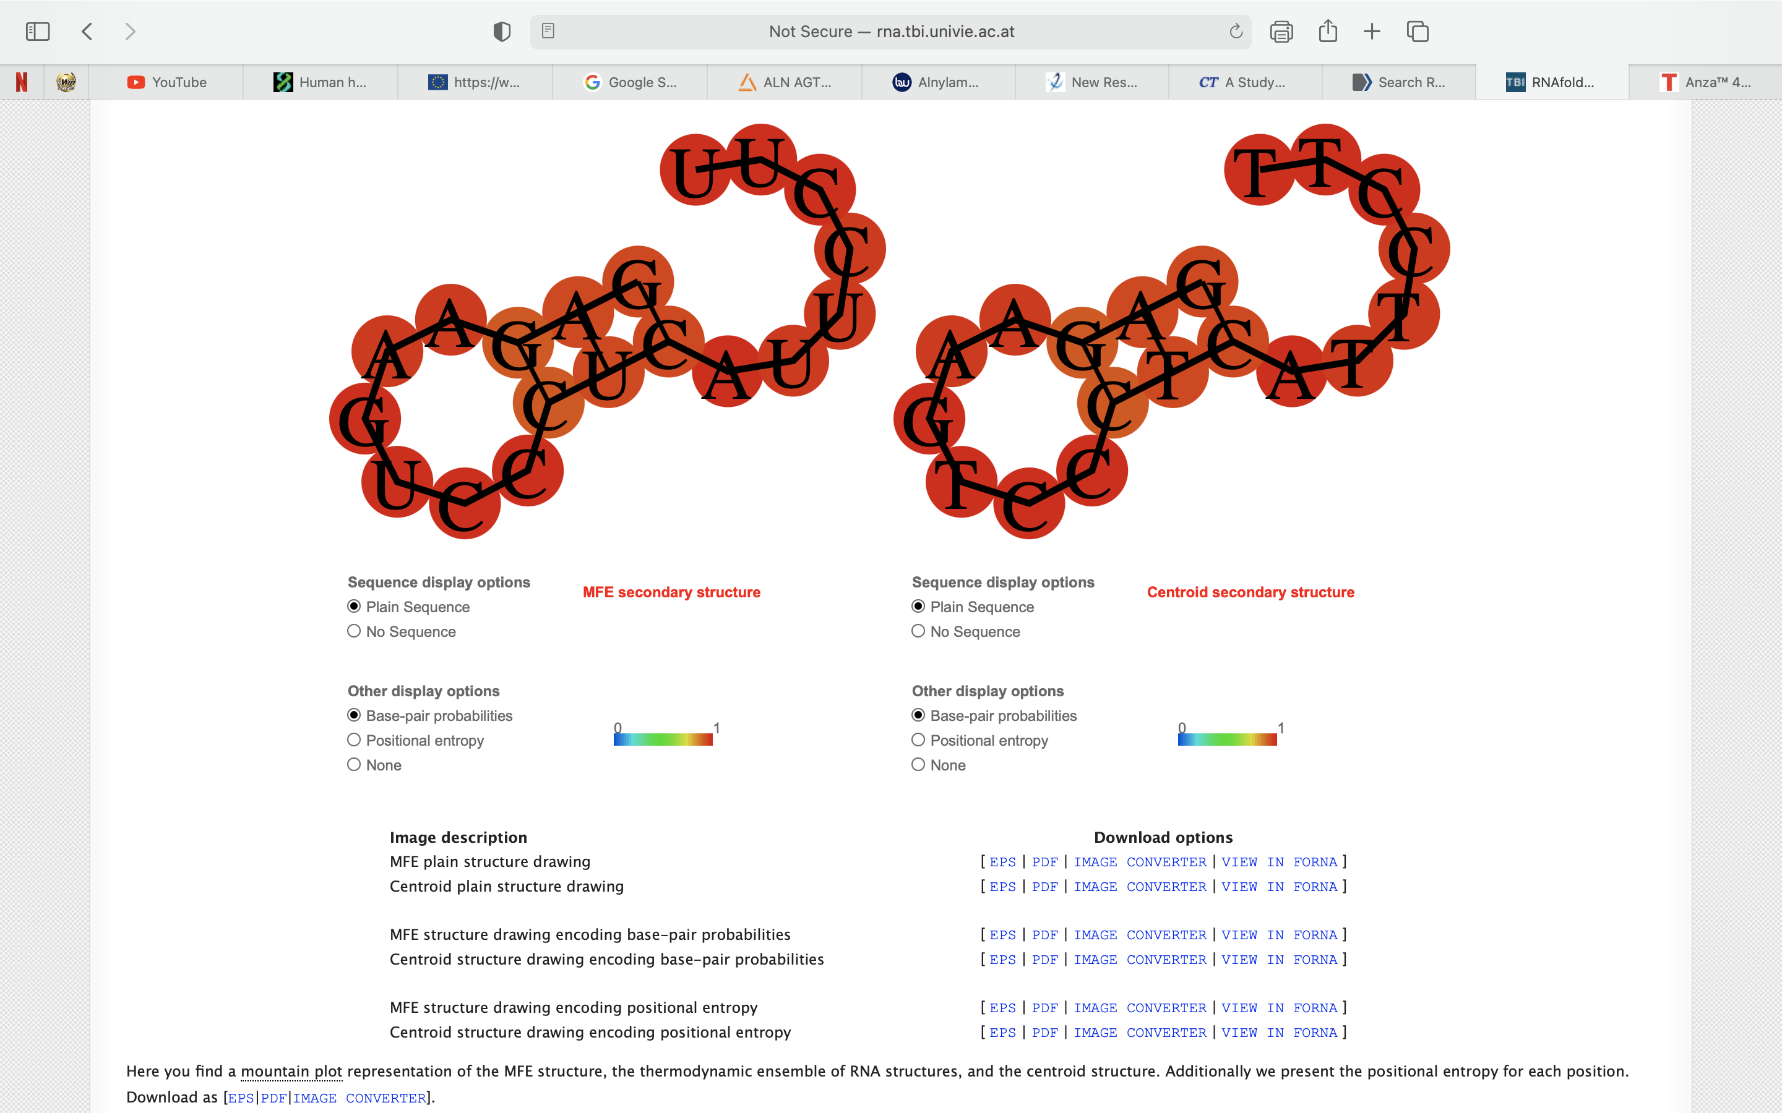

 | tgagggacttctcctccagt |  |  | tctcctccagtggacctgat |  |  | gtccctcattccttgggatt |  |  | gagaagtccctcattccttt



 | tgagggacttctcctccagc |  |  | tctcctccagtggacctgac |  |  | gtccctcattccttgggatc |  |  | gagaagtccctcattccttc

 | tgagggacttctcctccagg |  |  | tctcctccagtggacctgag |  |  | gtccctcattccttgggatg |  |  | gagaagtccctcattccttg


tgagggacttctcctccagtGG (sgRNA-TTRv2_1) Forward |  | caccaatcccaaggaatgagGG (sgRNA-TTRv2_2) Forward |  |  | tcaccaatcccaaggaatgaGG (sgRNA-TTRv2_3) Forward |  |  | ggagaagtccctcattccttGG (sgRNA-TTRv2_4) Reverse |  |  | gctgtcgtcaccaatcccaaGG (sgRNA-TTRv2_5) Forward






cgtccttcaggtccactggaGG (sgRNA-TTRv2_6) Reverse

